WW
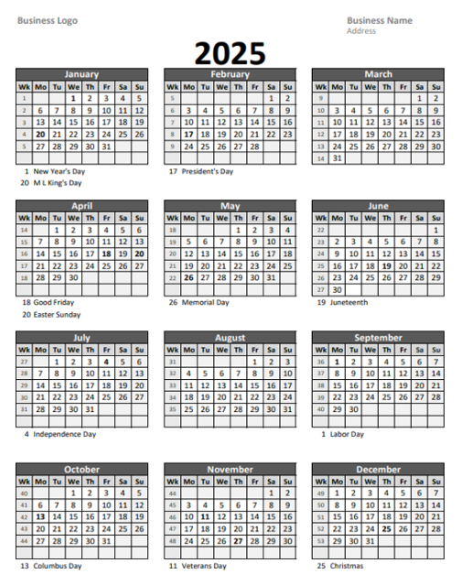

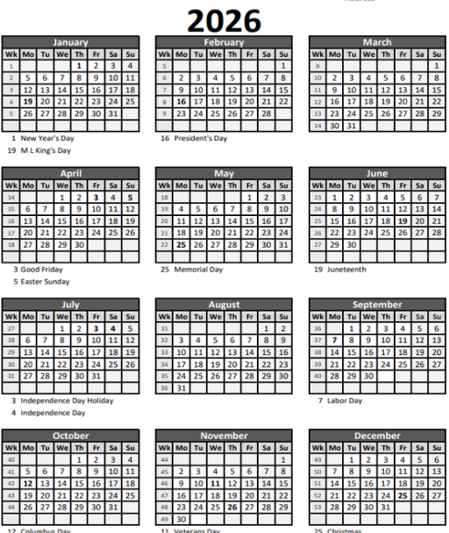

Summary
Error Count per Chamber WW40(09/28-10/04)
Location_of_problem | (All)
When_problem_was_resolved | (All)
 |  | When_problem_was_resolved | (Multiple Items)
Row Labels | Count of Reason_for_error
Etching Profile | 1189 | Row Labels | Count of Reason_for_error
Tape Movement | 250 | PM4 | 18
Ion source | 150 | PM6 | 1
E-gun | 102 | PM5 | 1
Target Cooling Plate | 84 | Grand Total | 20
QCM | 79
Deposition Zone Shield (75mm) | 77
Others | 72
Copper Cooling Plate | 68
Target | 62
Cooling Line | 56
Cryopump | 30
Heaters | 21
Thermocouples | 20
Vacuum issue | 17
LMO Shields | 12
Electropolished Tape | 12
RnD Related | 10
PM4 Top Detractor WW40(09/28-10/04)
Encoder | 8
Dry Pump / Booster Pump | 8
Software | 8
Vacuum issue (Door misalignment) | 5 | When_problem_was_resolved | (Multiple Items)
Chiller | 2 | Location_of_problem | PM4
RHEED | 2
Wiring Breadboard | 1 | Row Labels | Count of Reason_for_error
Hardware | 1 | Etching Profile | 12
Deposition Shields | 1 | QCM | 2
Cooling Plate | 1 | E-gun | 1
 | 1 | Others | 1
(blank) |  | Copper Cooling Plate | 1
Grand Total | 2349 | Ion source | 1
 |  | Grand Total | 18

PM2 Top Detractor WW40(09/28-10/04)
 | Total
Grand Total

 |  | When_problem_was_resolved | (Multiple Items)
 |  | Location_of_problem | PM2

 |  | Row Labels | Count of Reason_for_error
 |  | Grand Total

PM5 Top Detractor WW40(09/28-10/04)

 |  | When_problem_was_resolved | (Multiple Items)
 |  | Location_of_problem | PM5

 |  | Row Labels | Count of Reason_for_error
 |  | Others | 1
 |  | Grand Total | 1

PM6 Top Detractor WW40(09/28-10/04)
 |  | When_problem_was_resolved | (Multiple Items)
 |  | Location_of_problem | PM6

 |  | Row Labels | Count of Reason_for_error
 |  | LMO Shields | 1
 |  | Grand Total | 1

Current Chart
 |  |  |  |  | Failure Analysis Report (WW40)
Error Count per Chamber WW40(09/28-10/04)
 | Total
PM4 | 18
PM6 | 1
PM5 | 1
PM4 Top Detractor WW40(09/28-10/04)
 | Total
Etching Profile | 12
QCM | 2
E-gun | 1
Others | 1
Copper Cooling Plate | 1
Ion source | 1

PM5 Top Detractor WW40(09/28-10/04)
 | Total
Others | 1
PM6 Top Detractor WW40(09/28-10/04)
 | Total
LMO Shields | 1

Scheduled: |  | Unscheduled: |  | Problems encountered/Downtime Contributors:
 | TRUE |  | FALSE | PM4 Change Grids: Changed from KTM031(1x) to R128(New) for Testing
 | TRUE |  | FALSE | PM4 Copper Cooling Plate was changed to a clean one.
 | FALSE |  | TRUE | Adjusted 1.5mm to Door Side then, Adjusted Depo shields 3mm to the left due to shifted etching profile.
 | FALSE |  | TRUE | PM4: Replaced damaged QCM V-Spring
 | FALSE |  | TRUE | PM4: Replaced damaged QCM V-Spring of the left QCM Head due Low Fundamental Activity when switched.
 | TRUE |  | FALSE | PM6 Target shield and depo shield changed.
 | TRUE |  | FALSE | PM4 Glass Window in Camera was changed to clean one.
 | FALSE |  | TRUE | PM4 Emitter Assembly was change to a clean one due to multiple E-gun OFF.
 | FALSE |  | FALSE
 | FALSE |  | FALSE

WW31-WW53
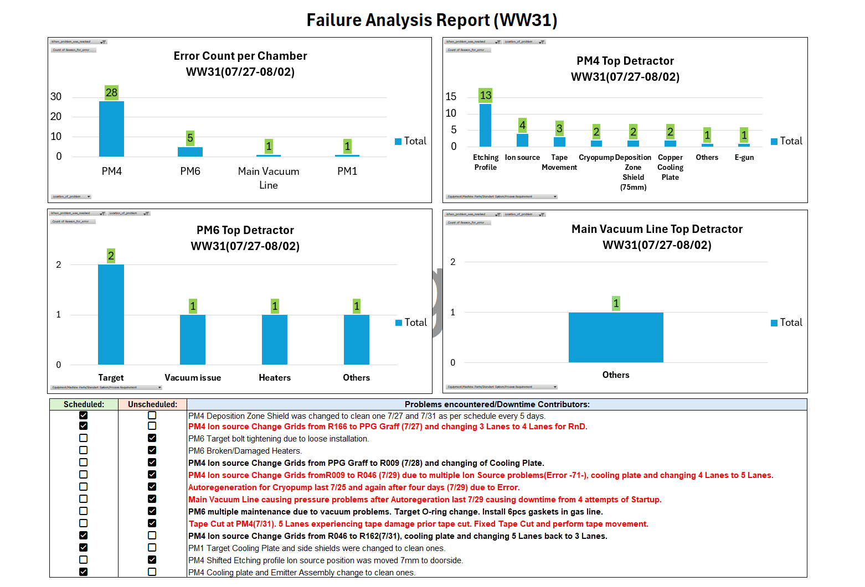

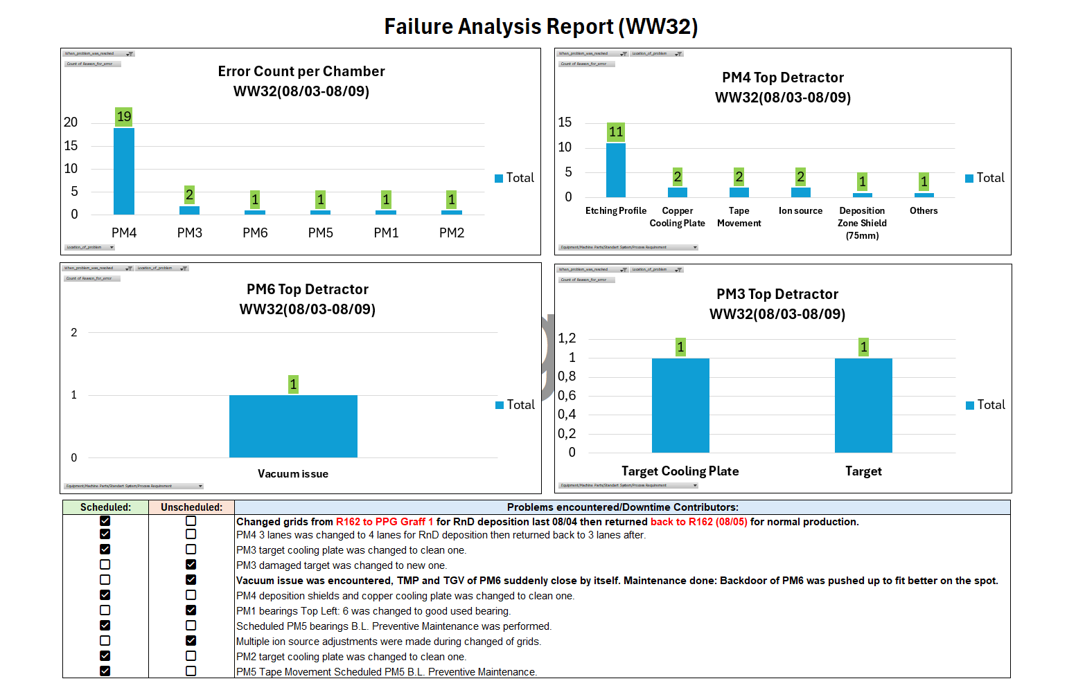

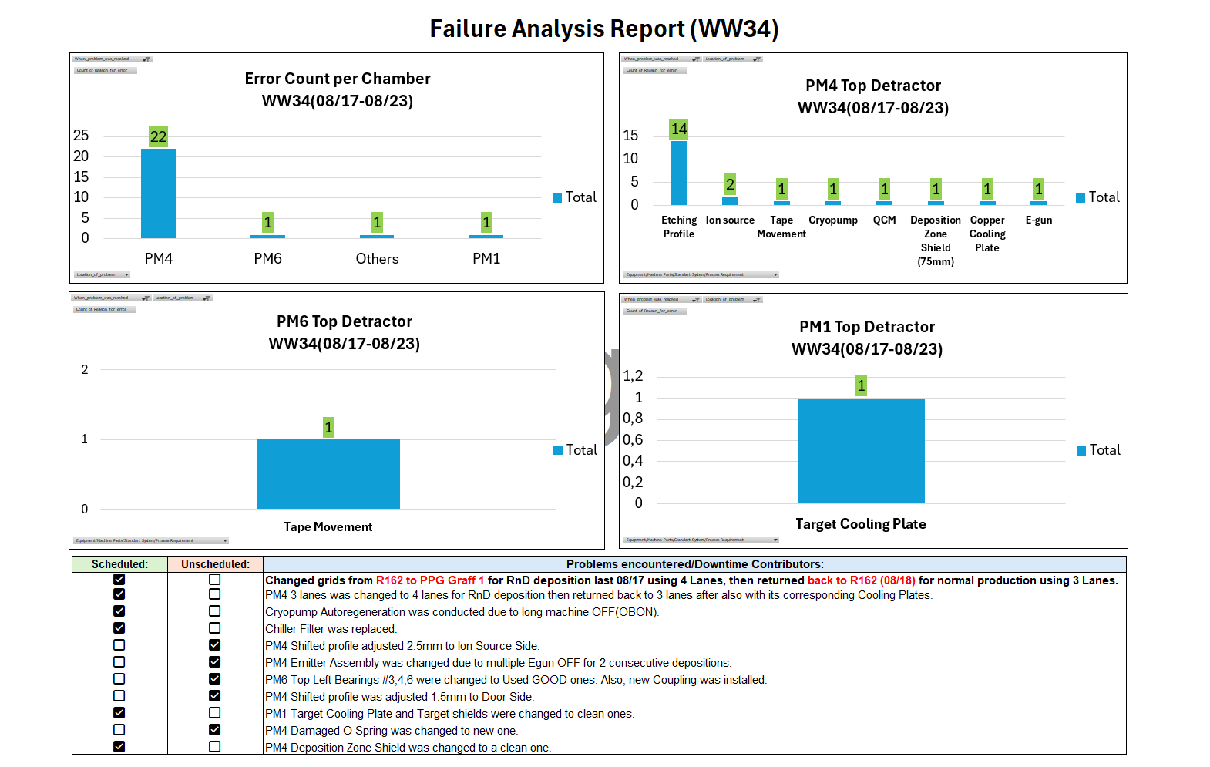

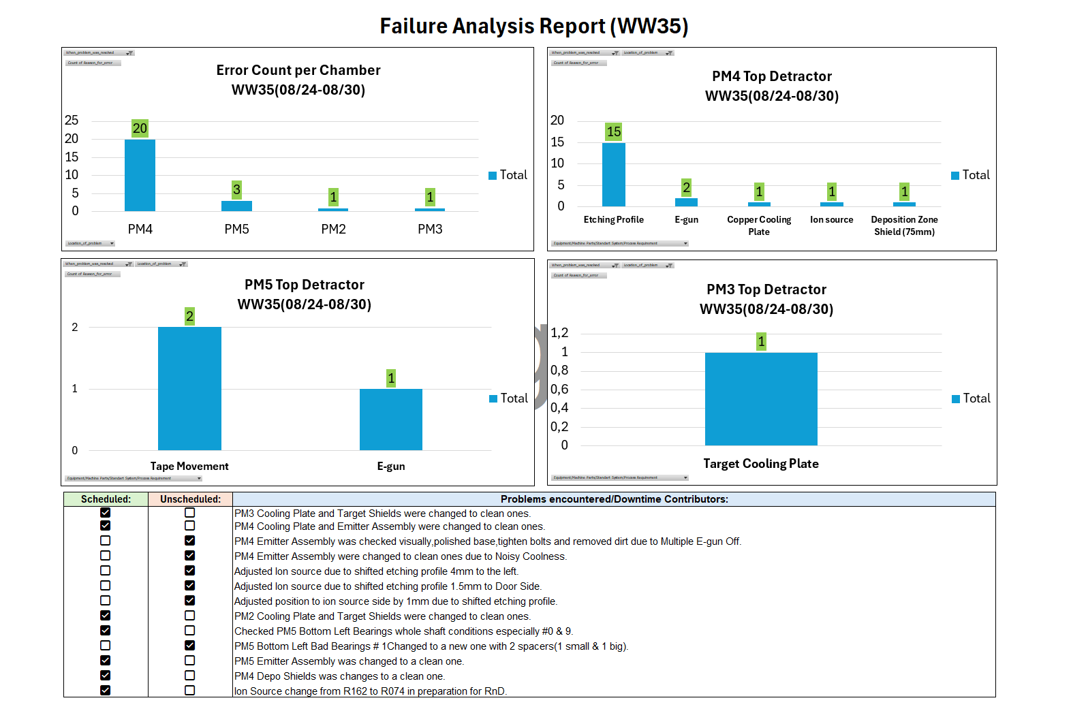

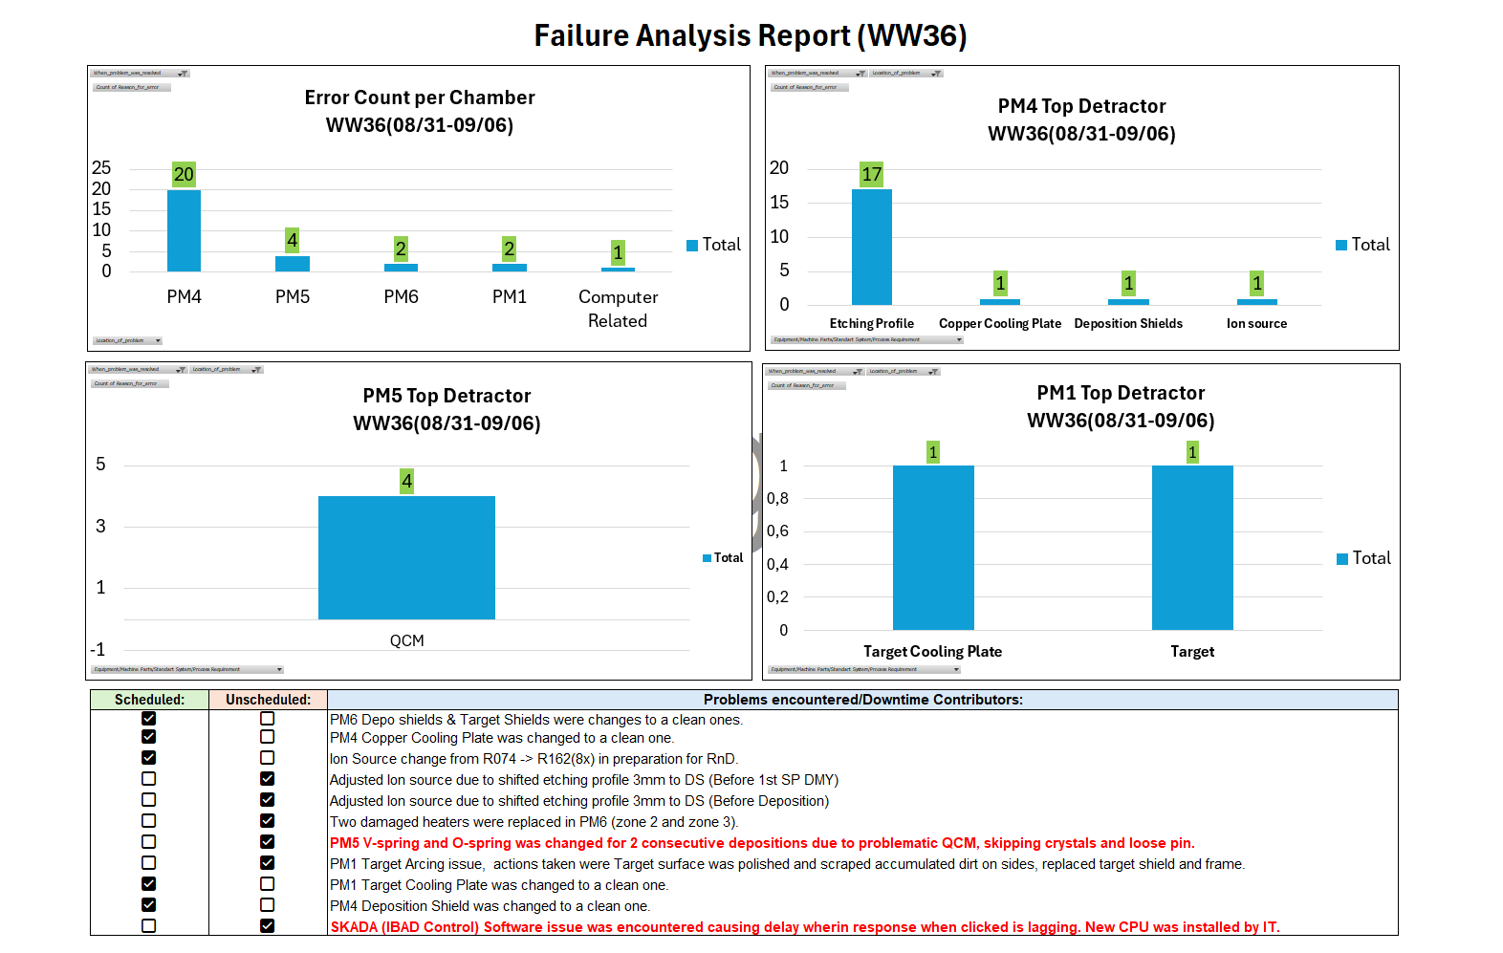

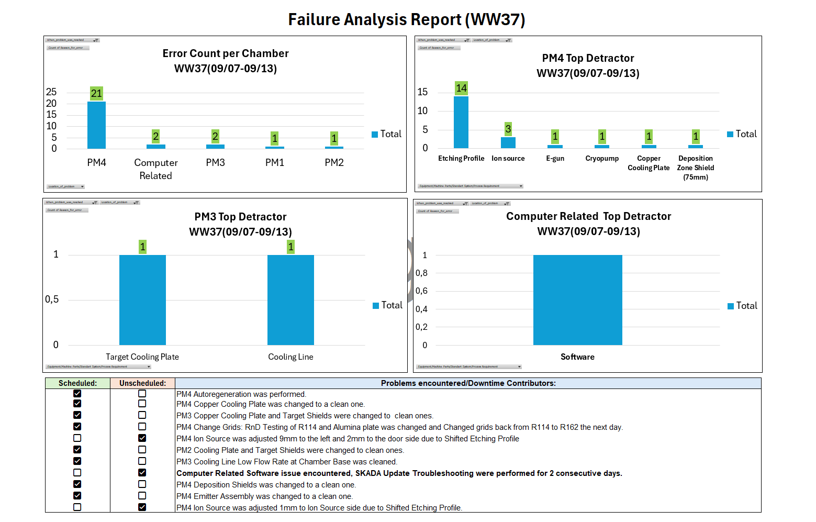

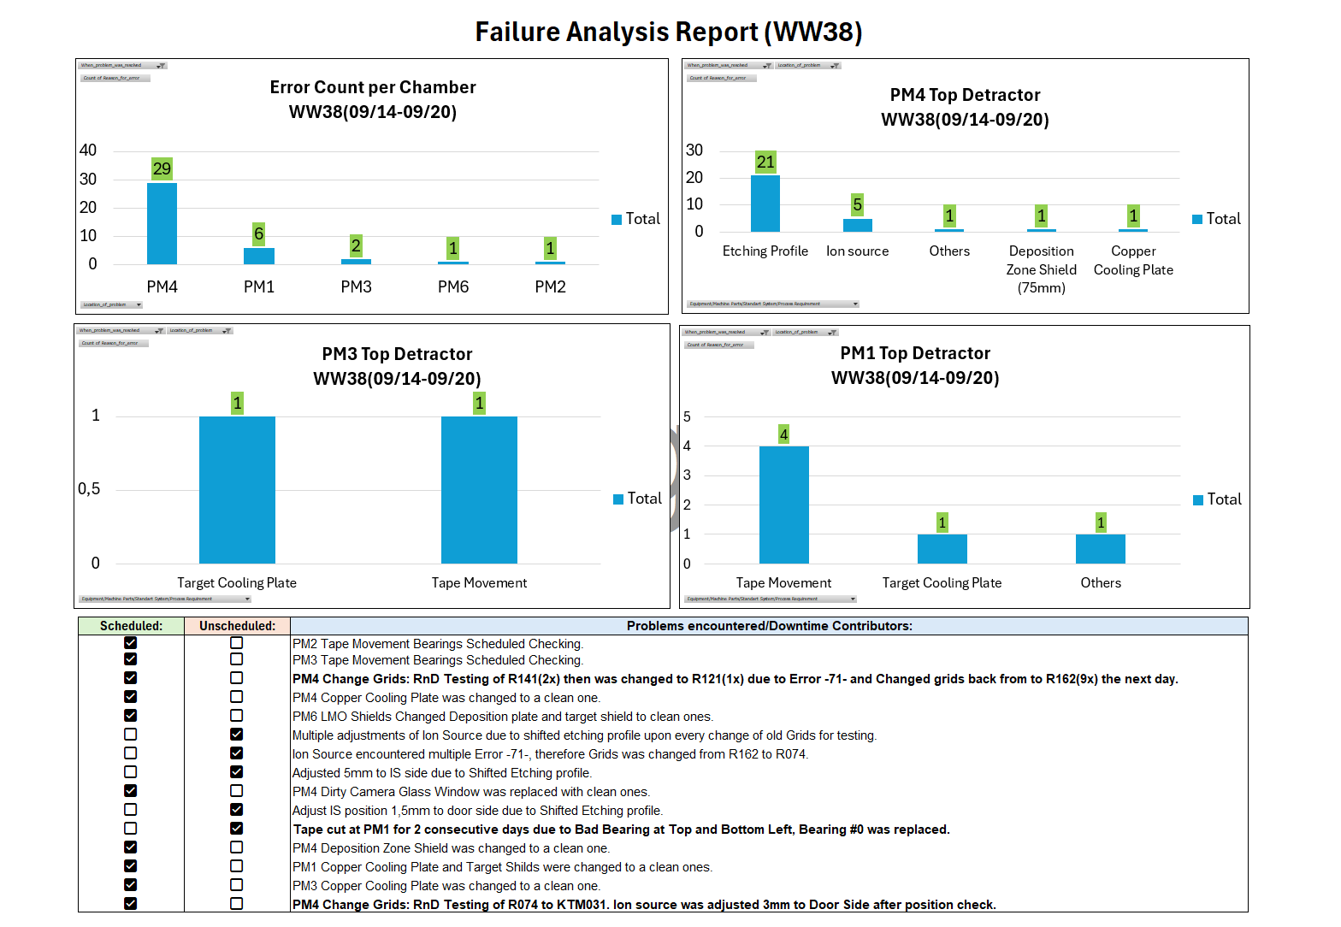

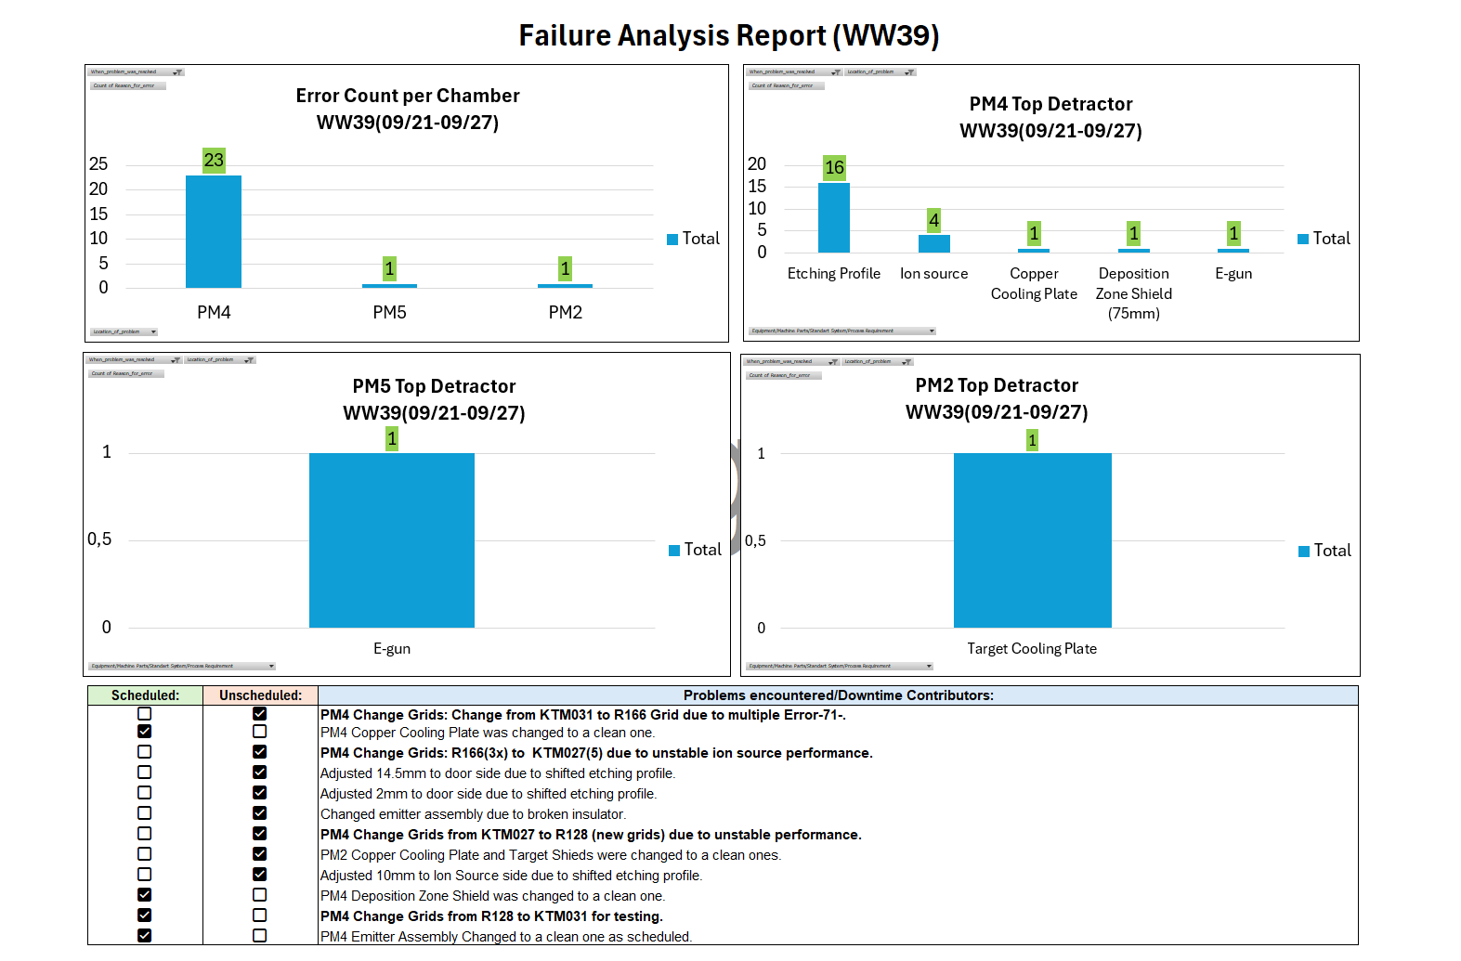

WW15-WW30
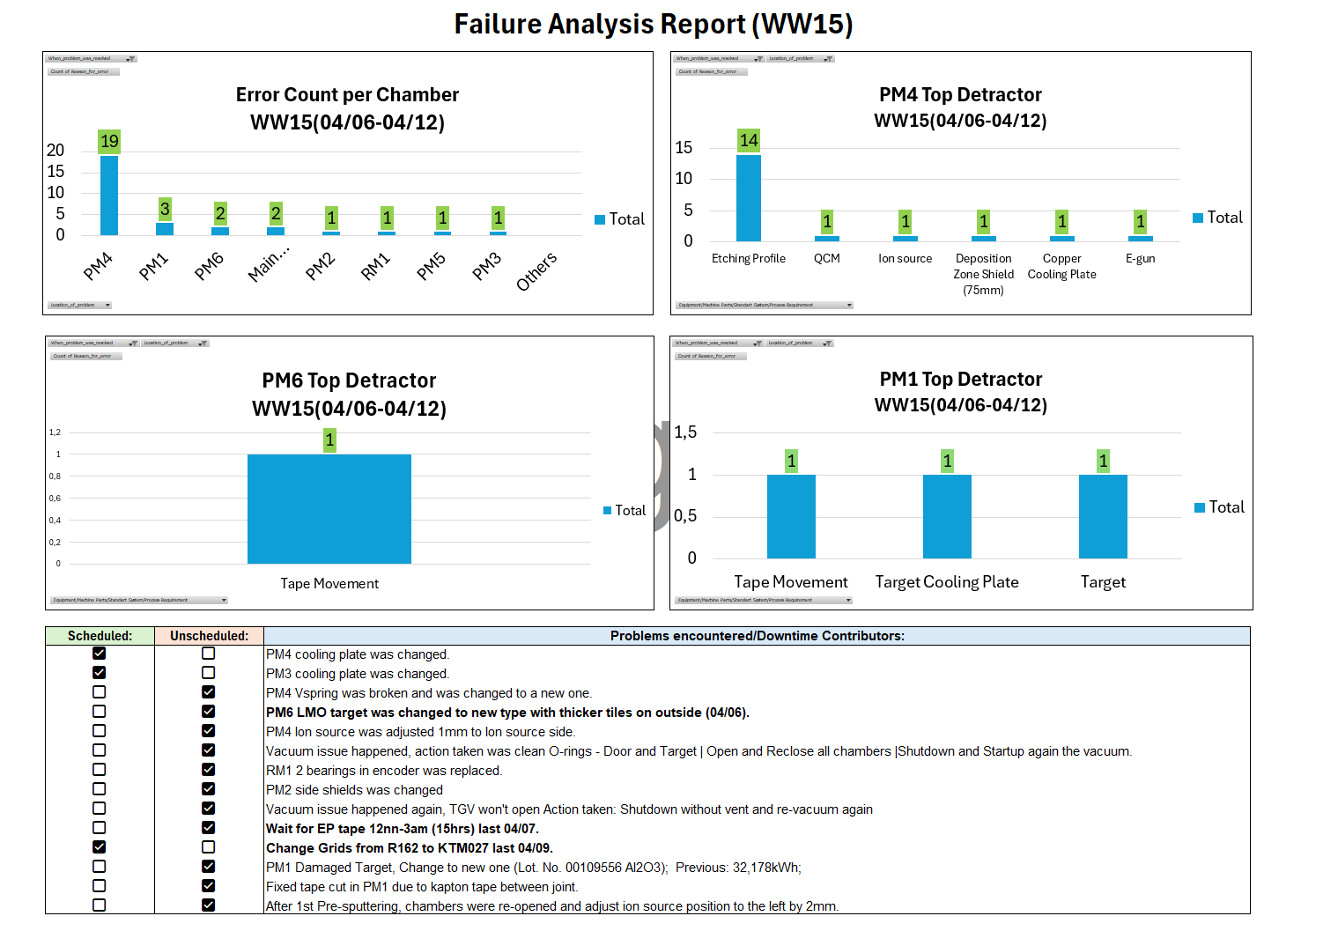

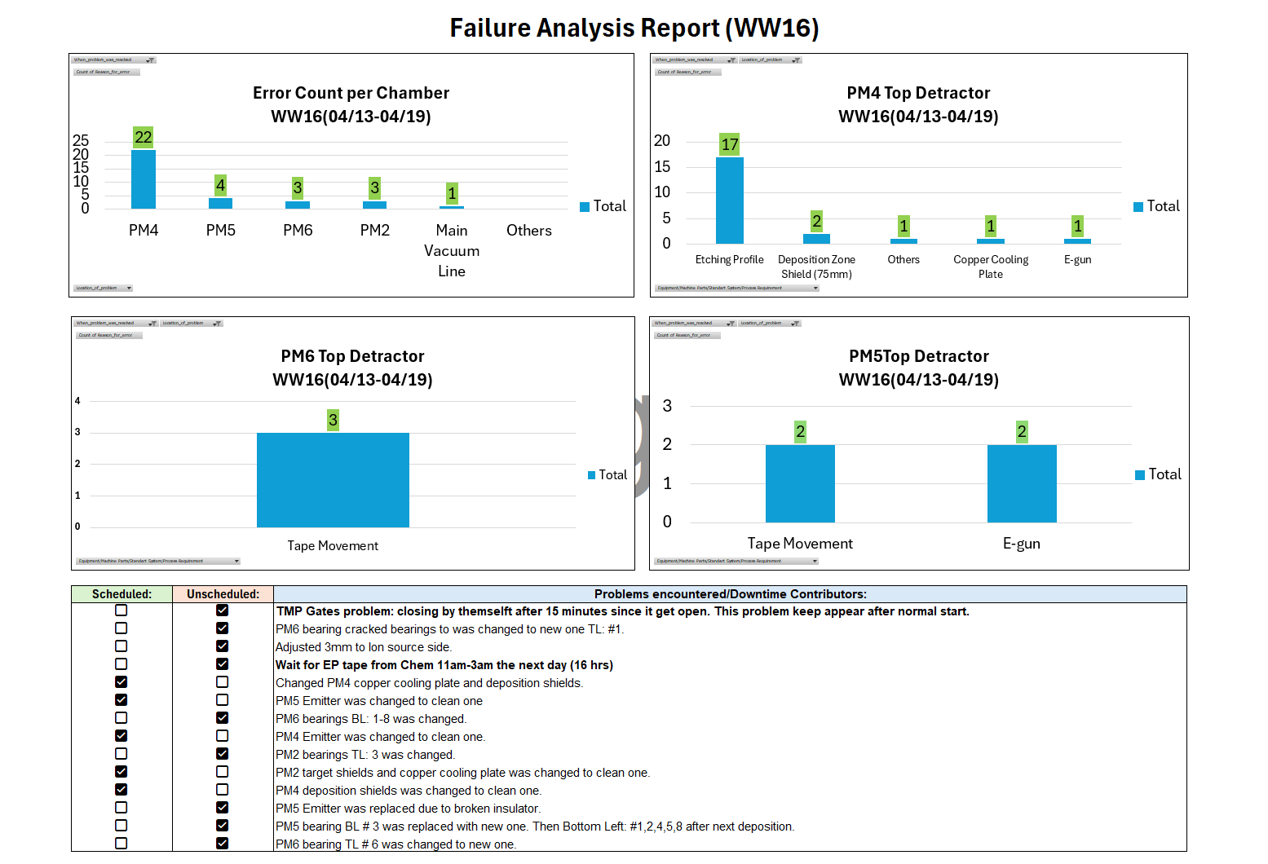

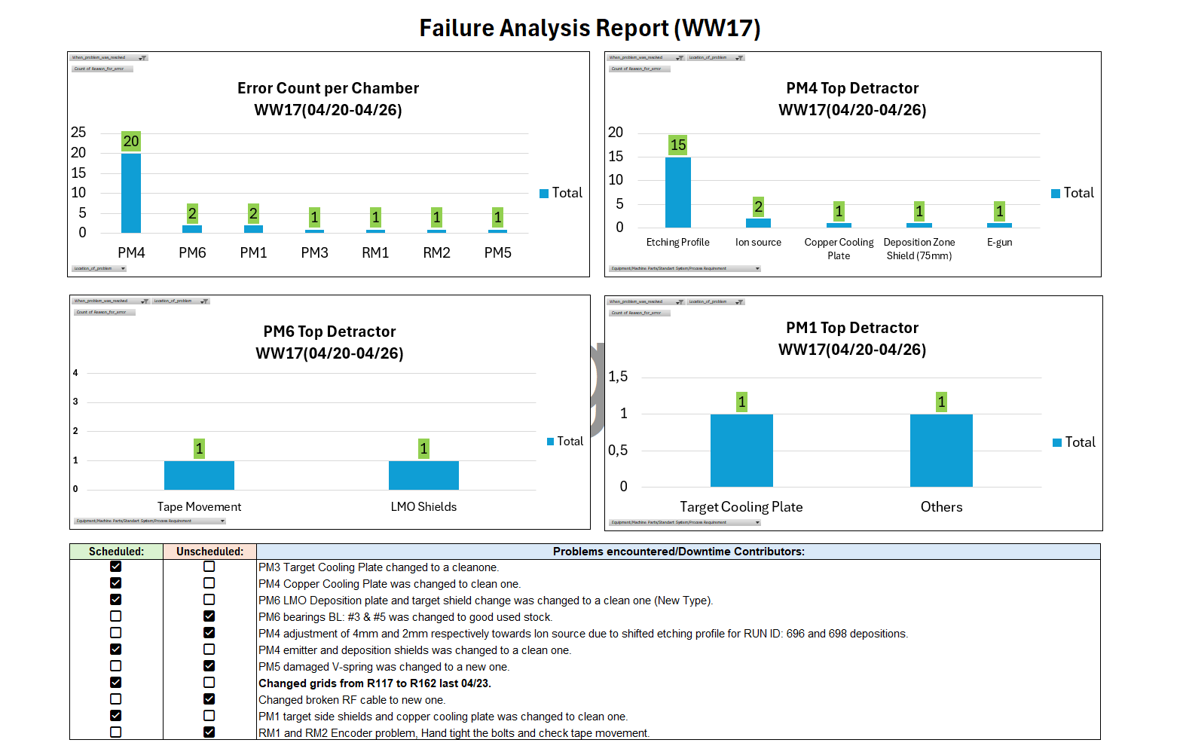

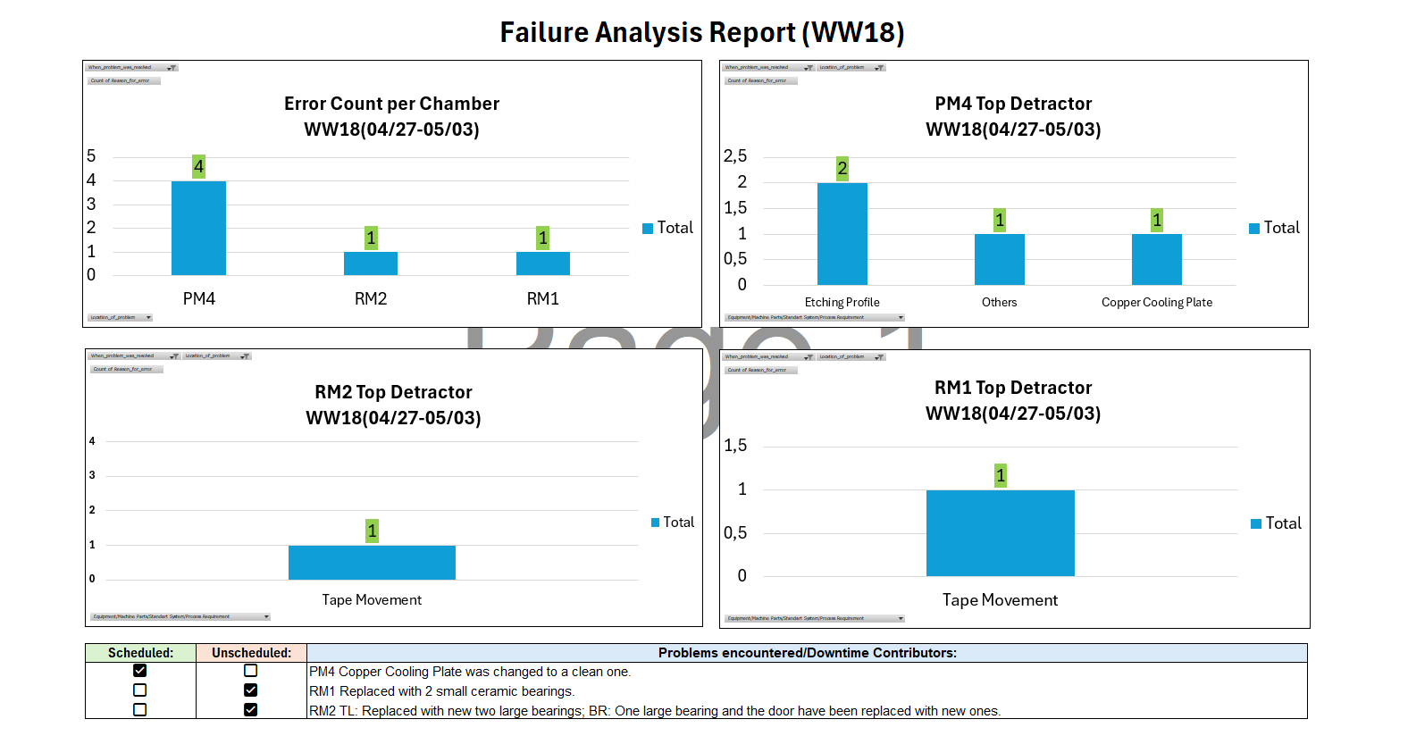

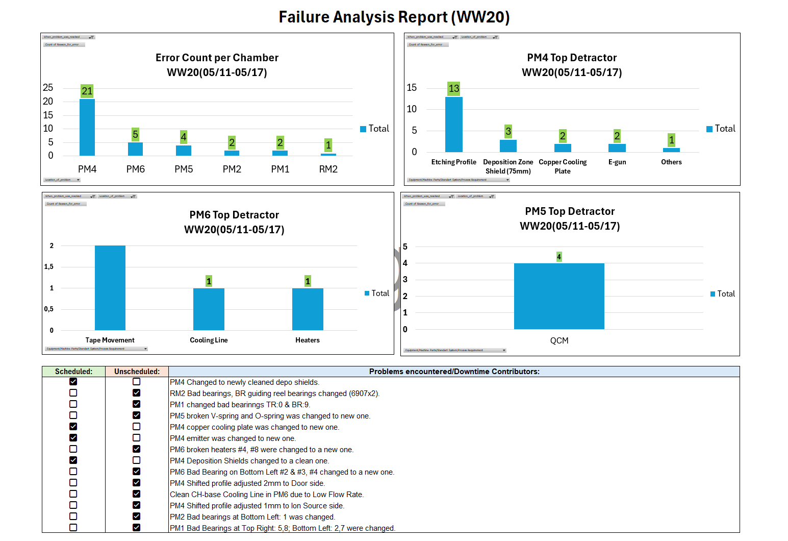

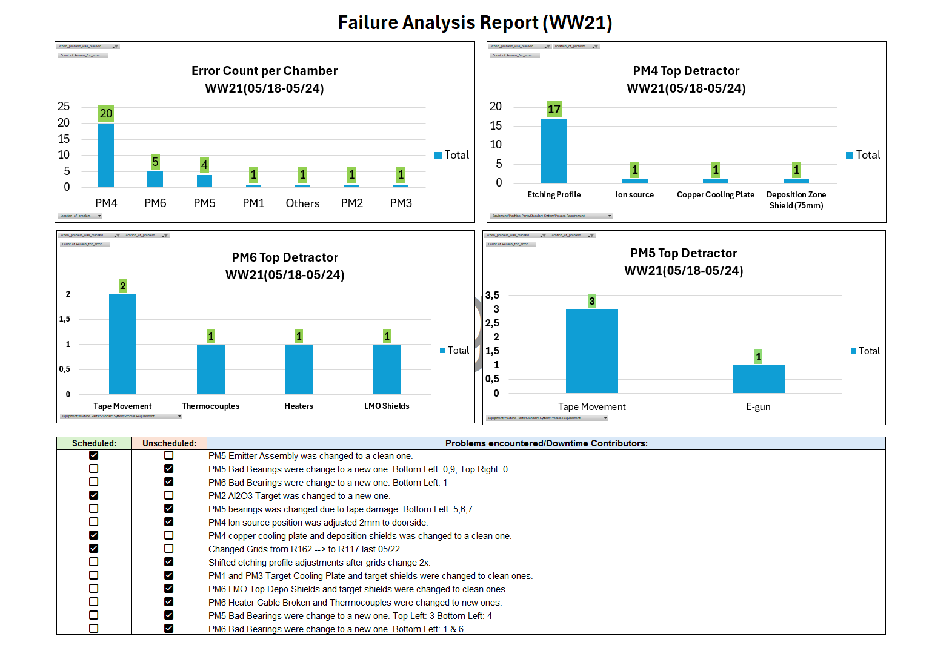

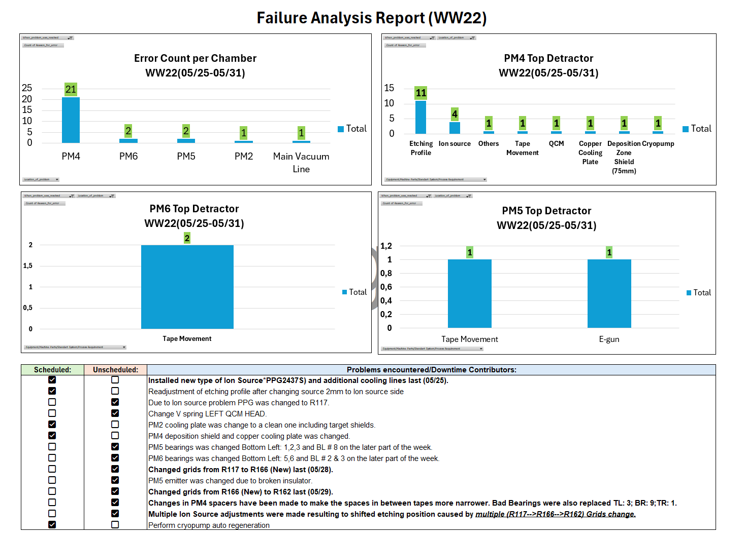

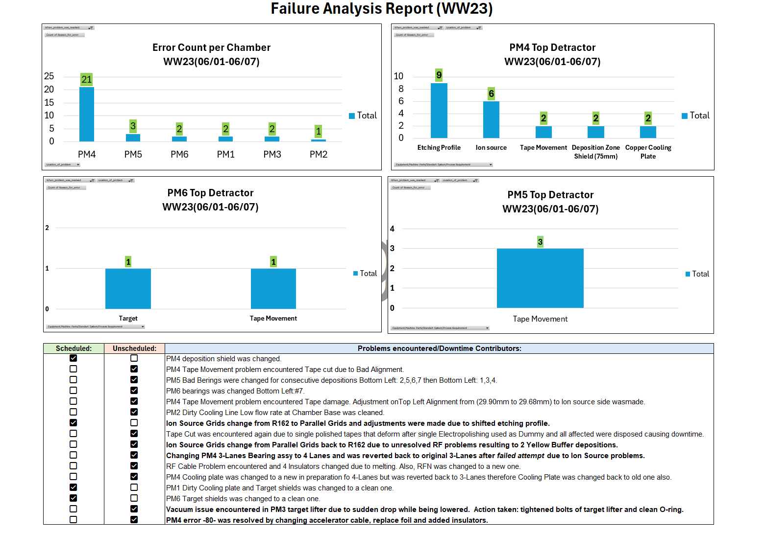

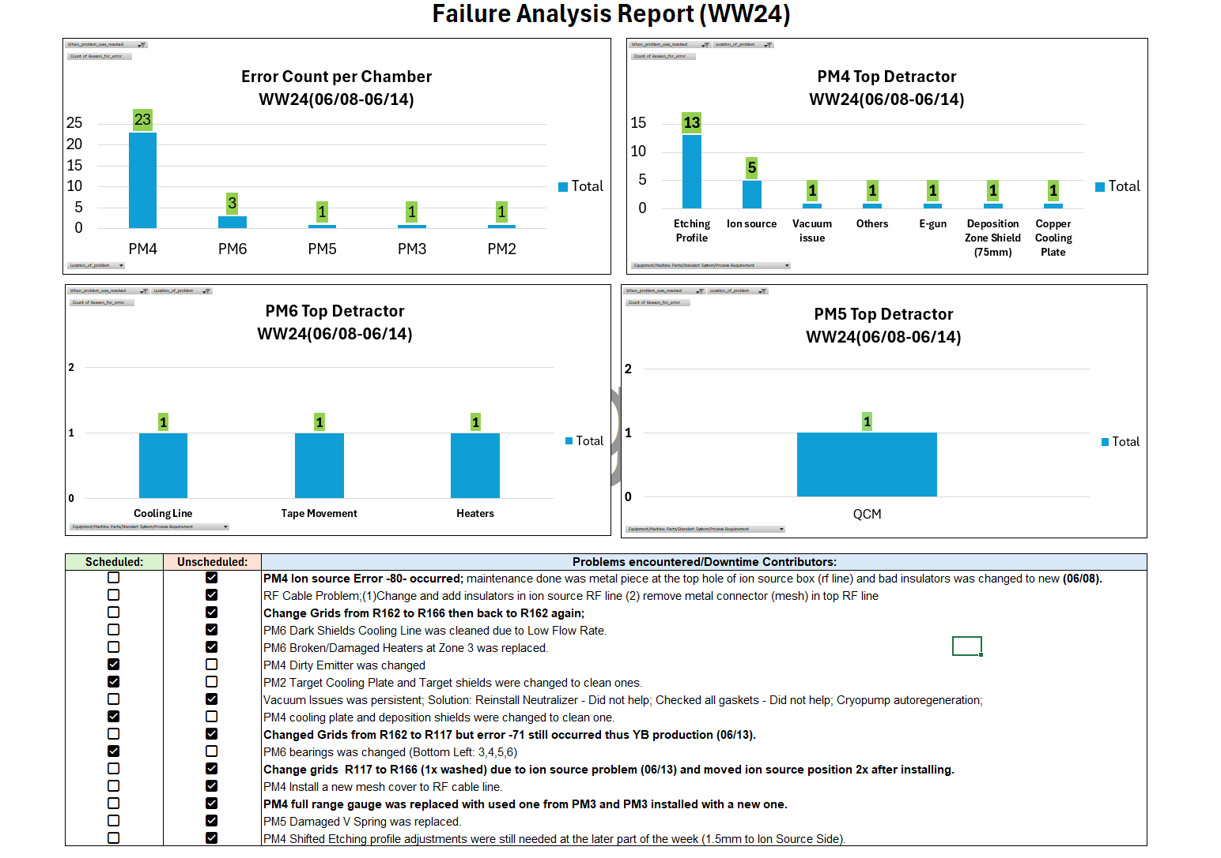

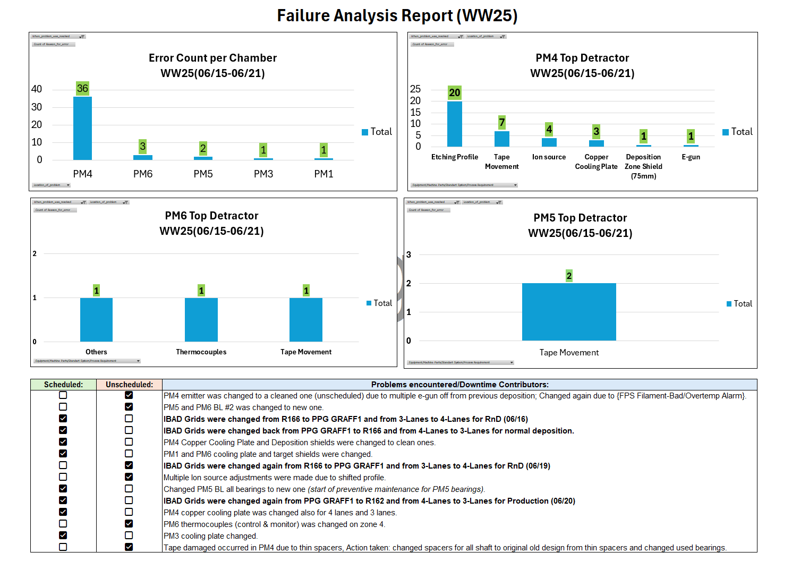

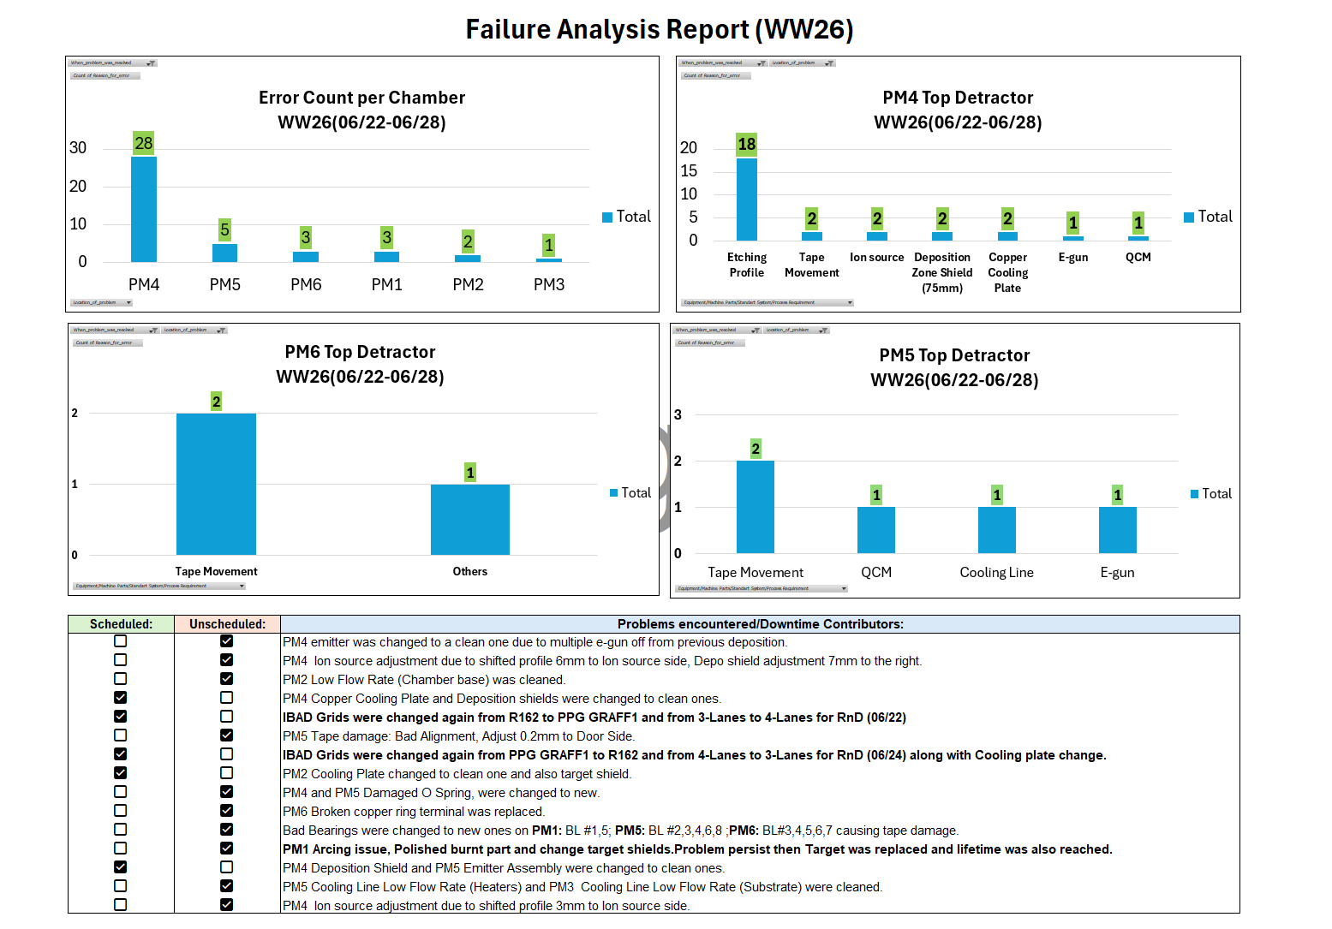

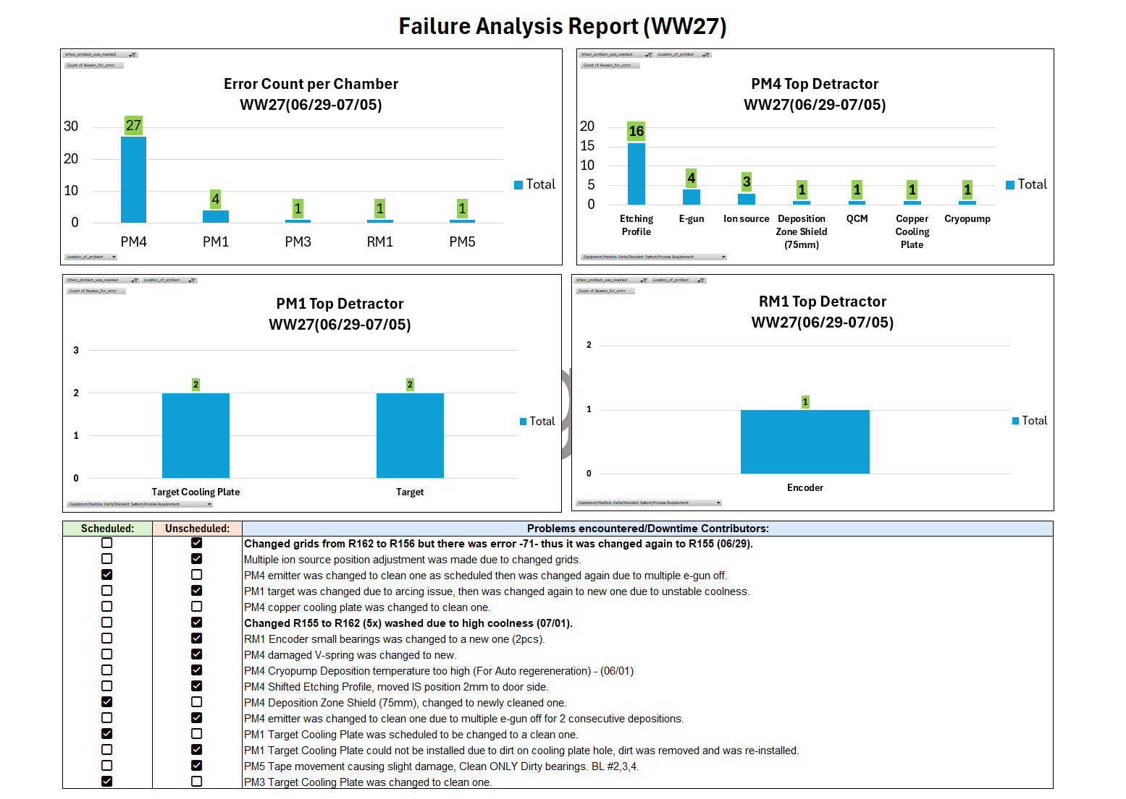

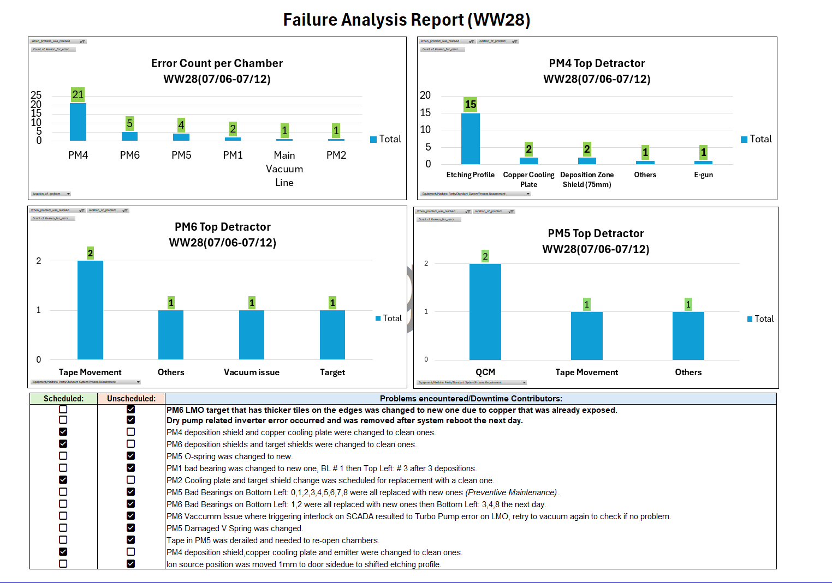

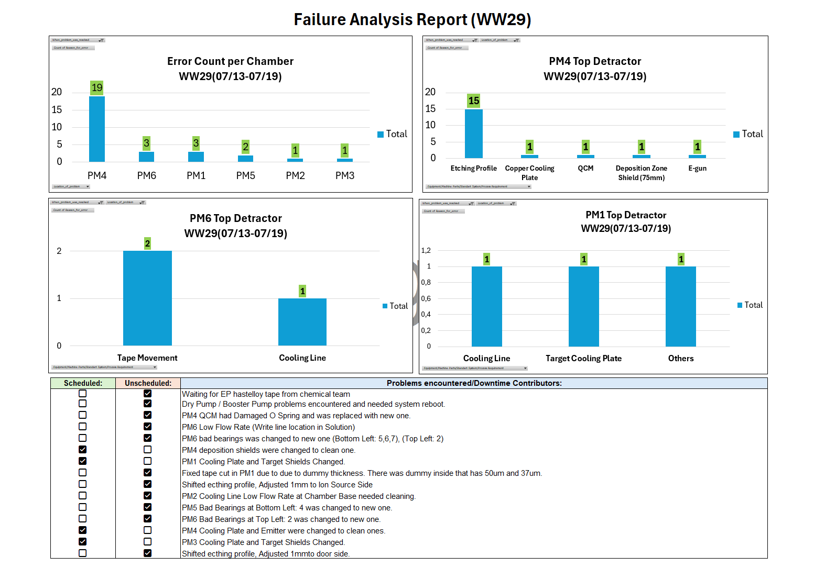

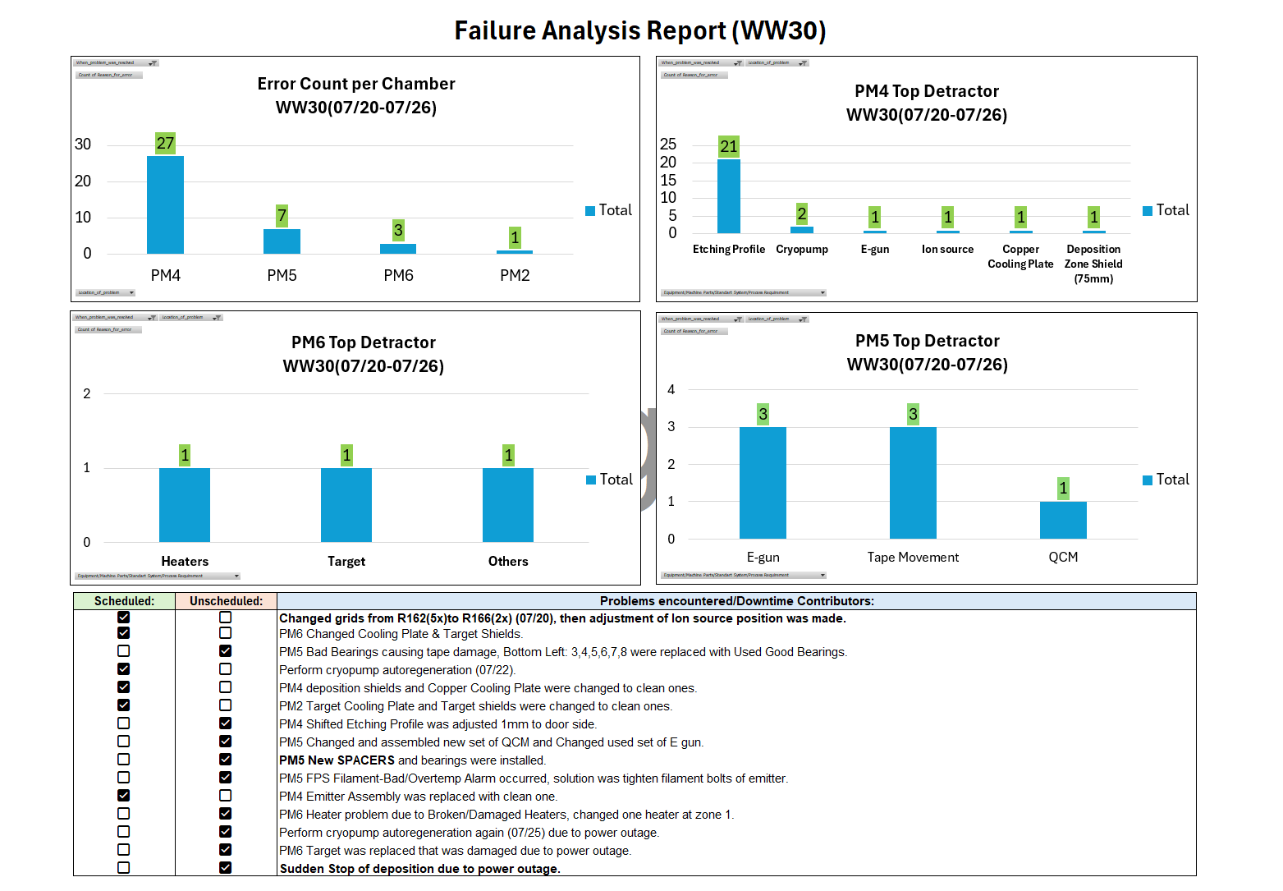

WW07-WW14
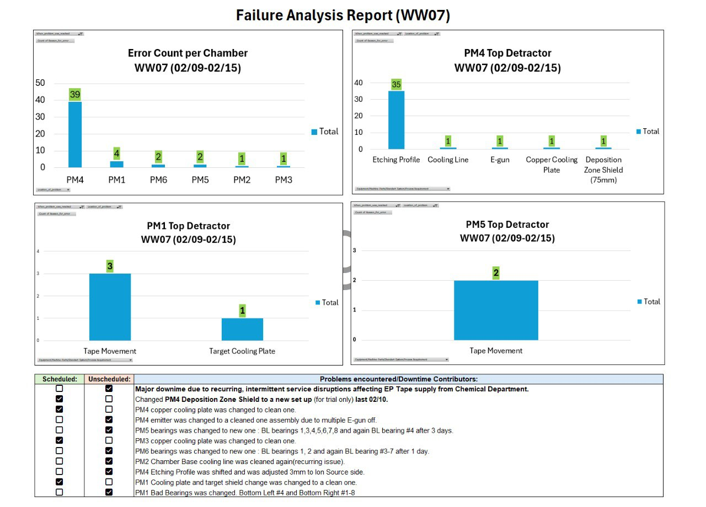

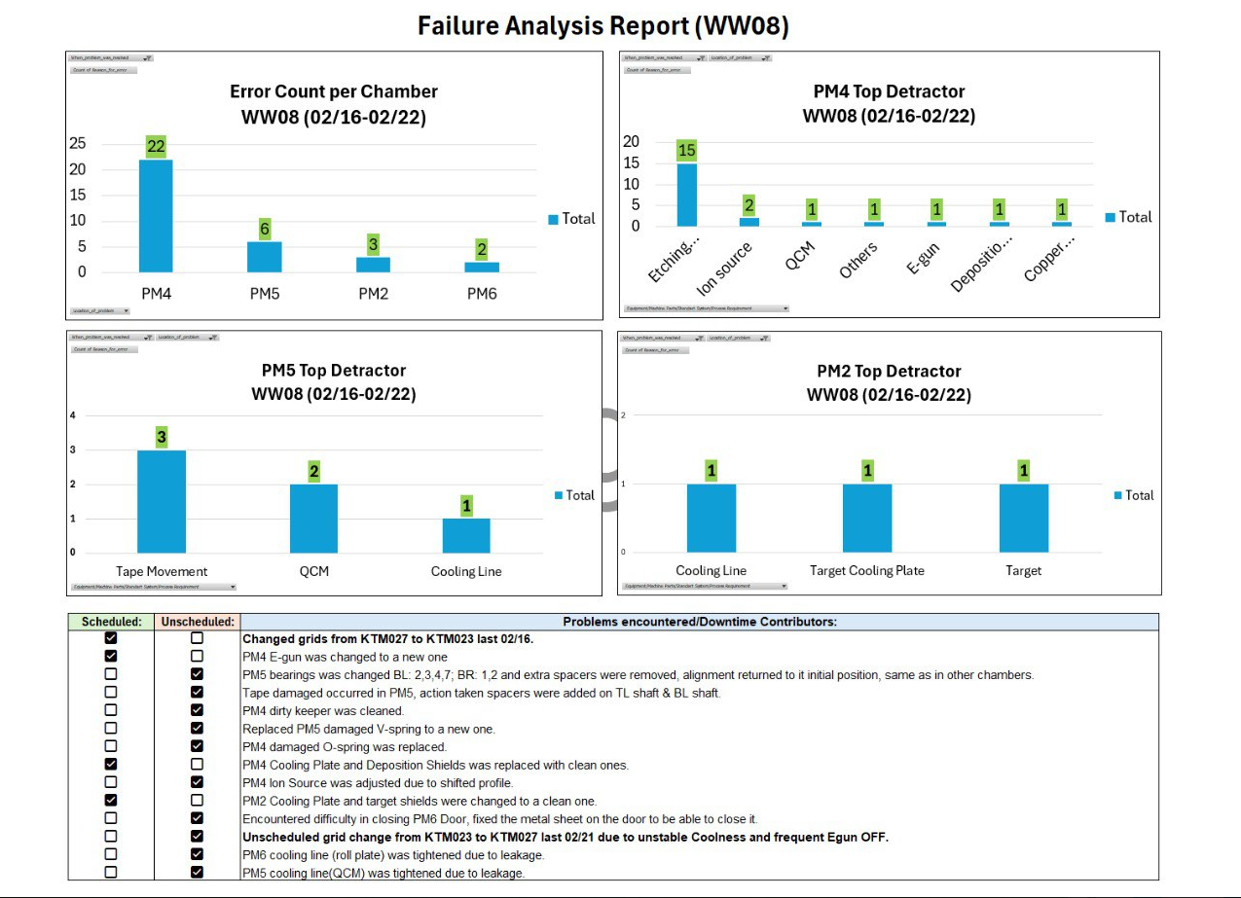

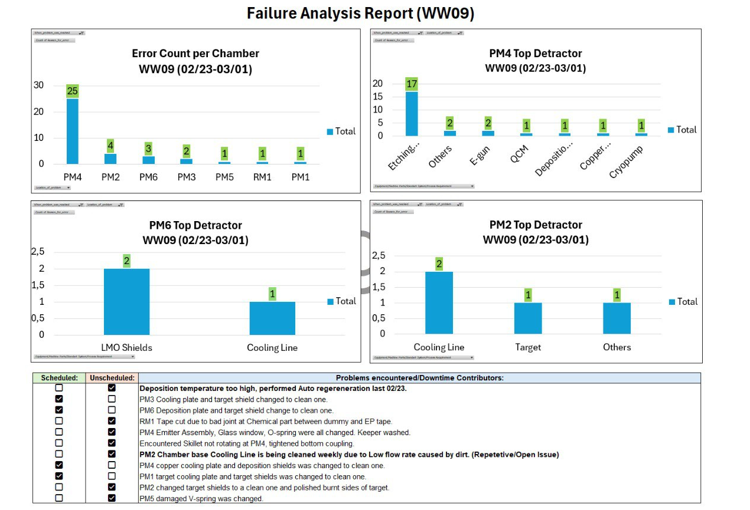

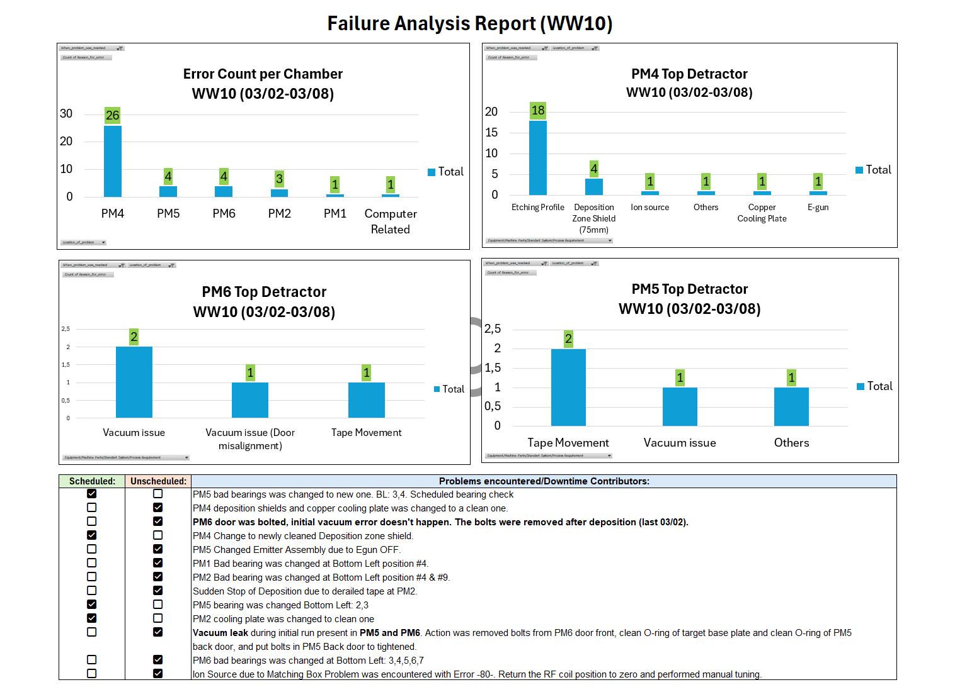

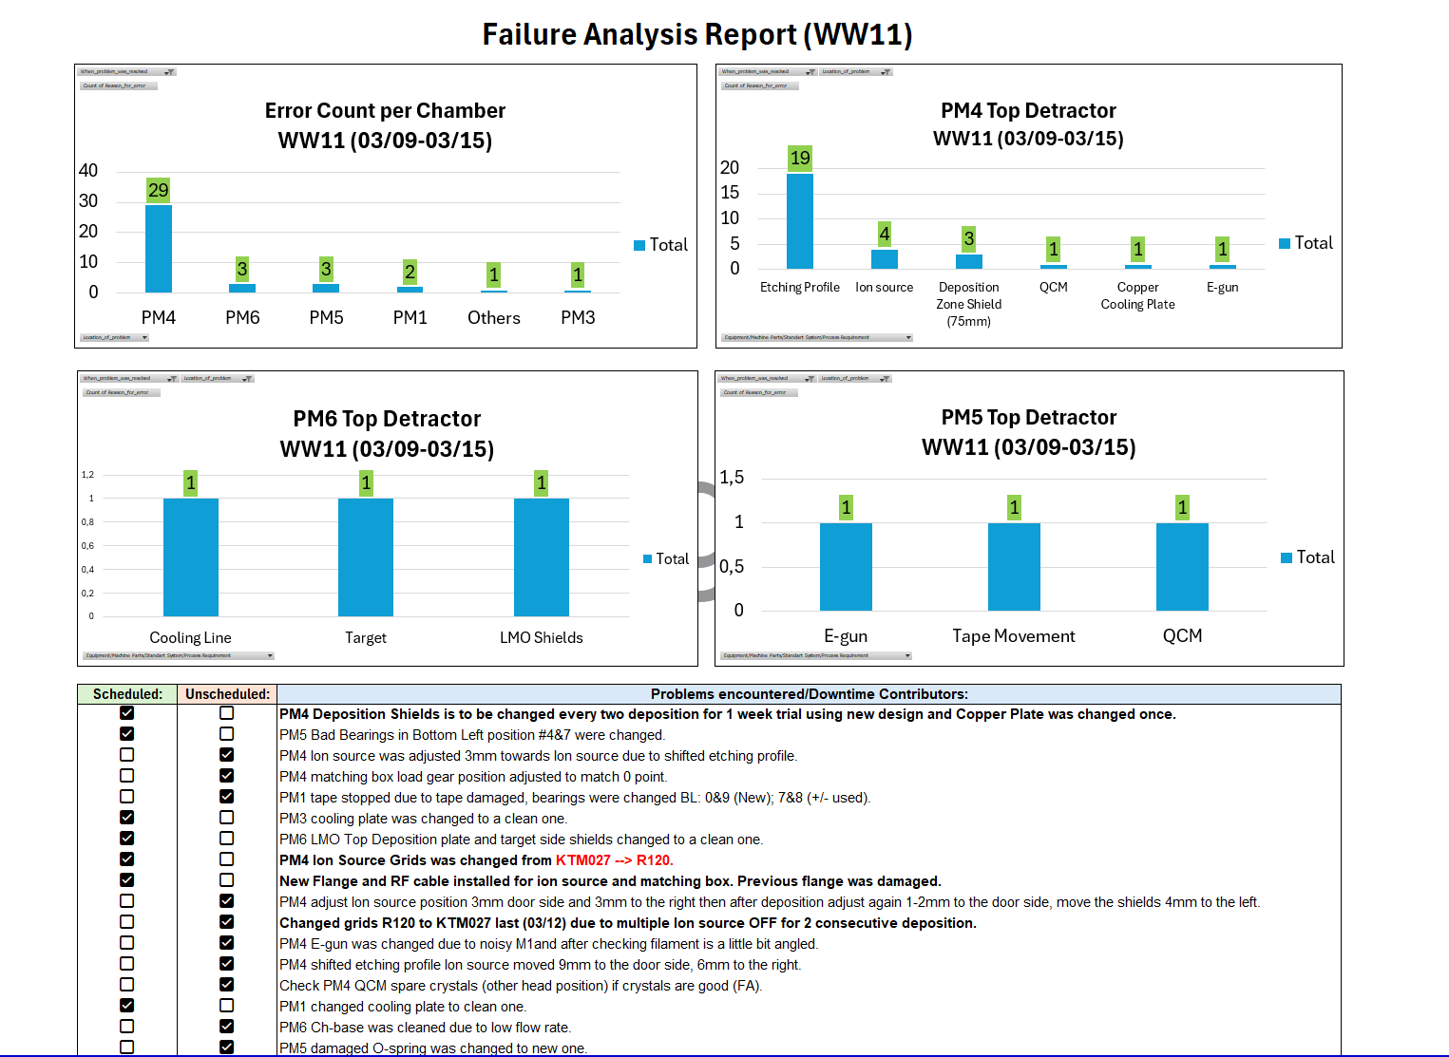

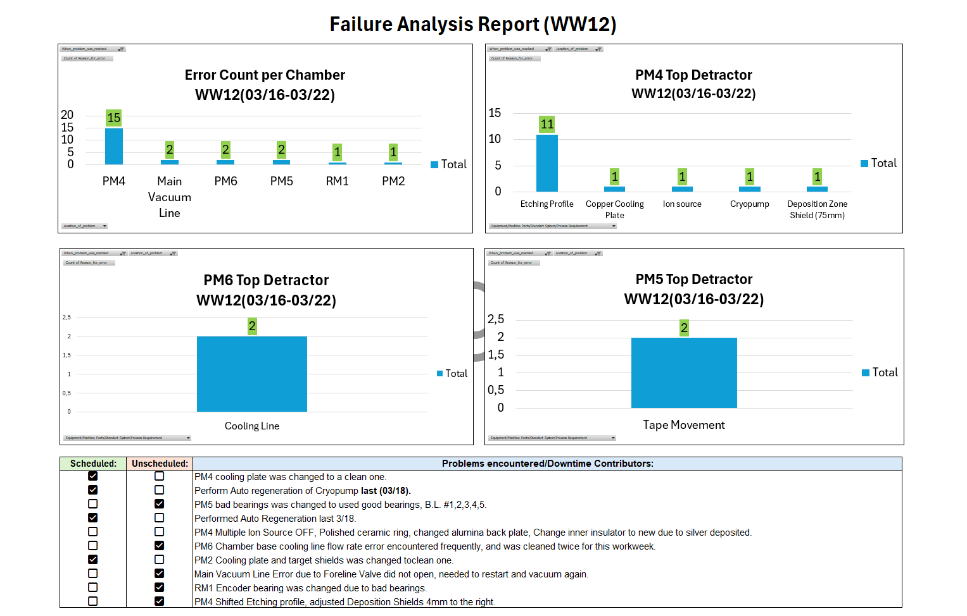
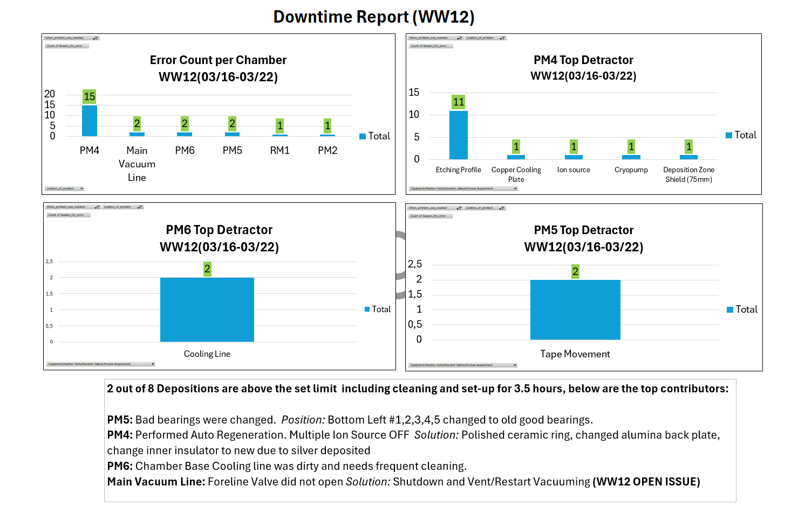

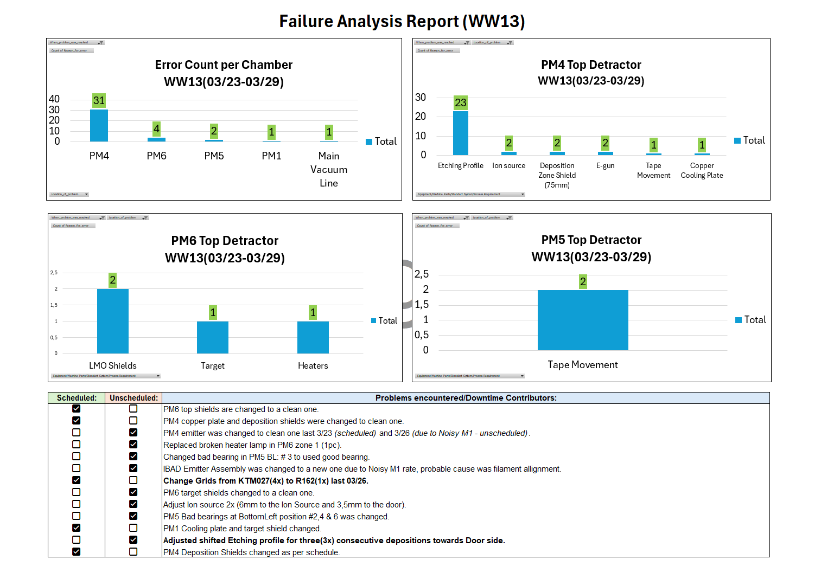
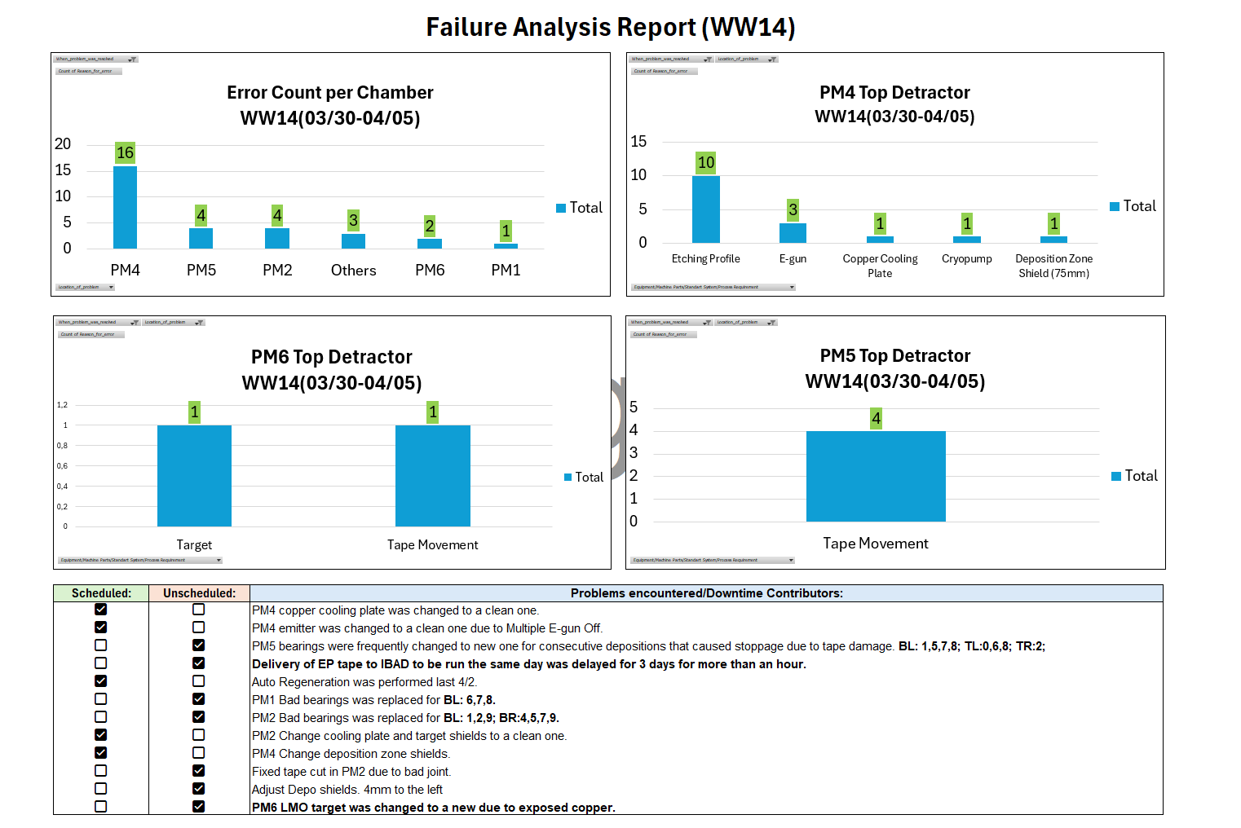

WW02-WW06
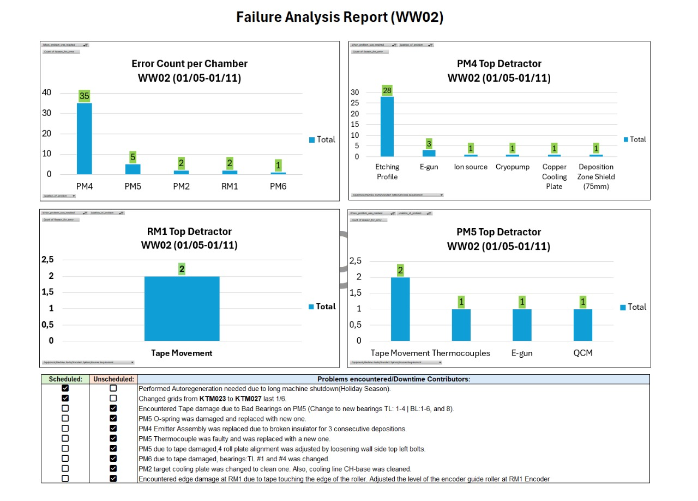

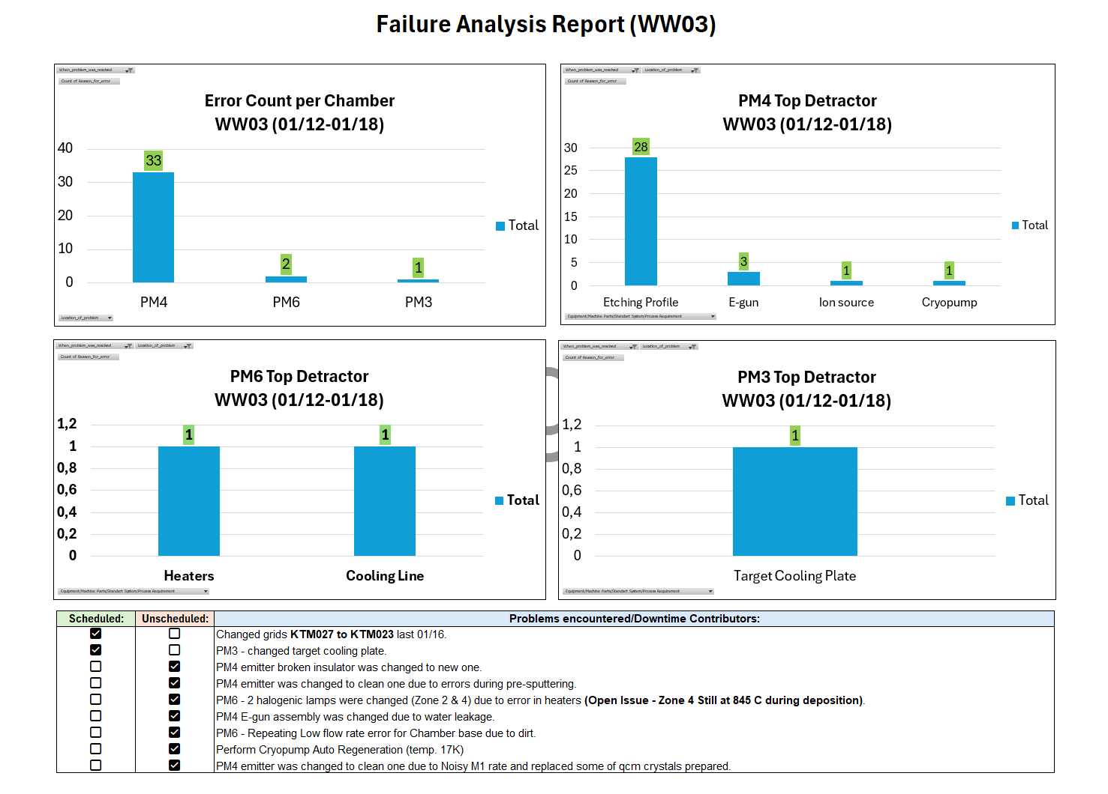

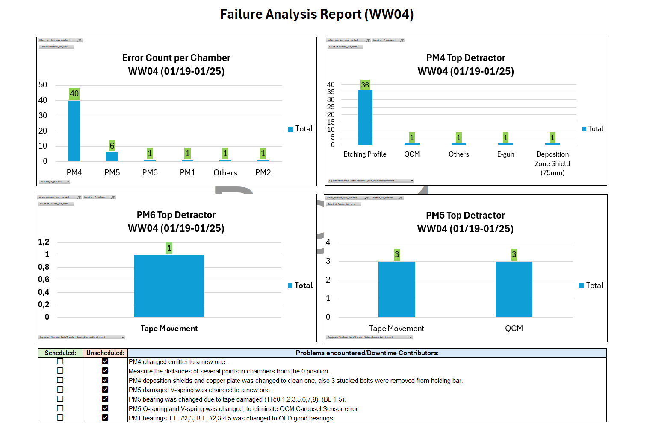

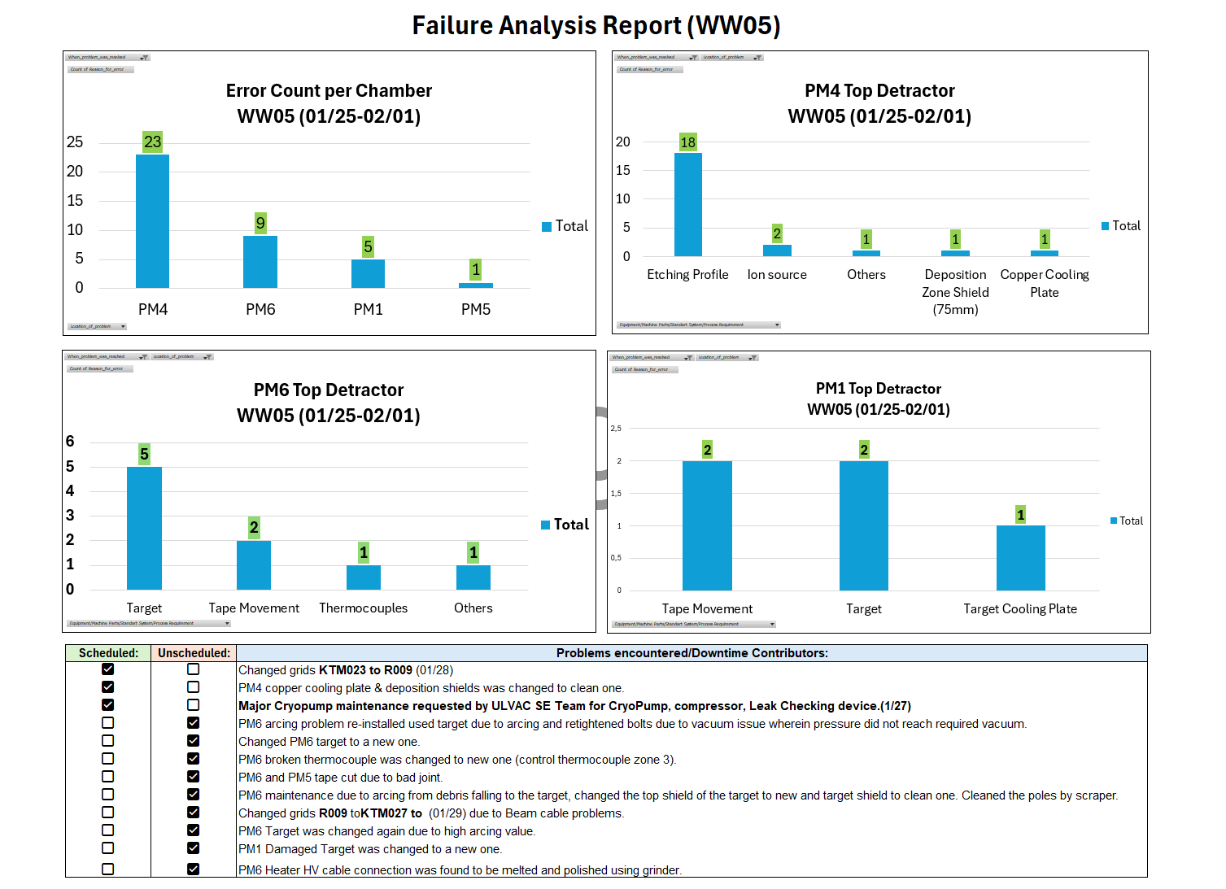

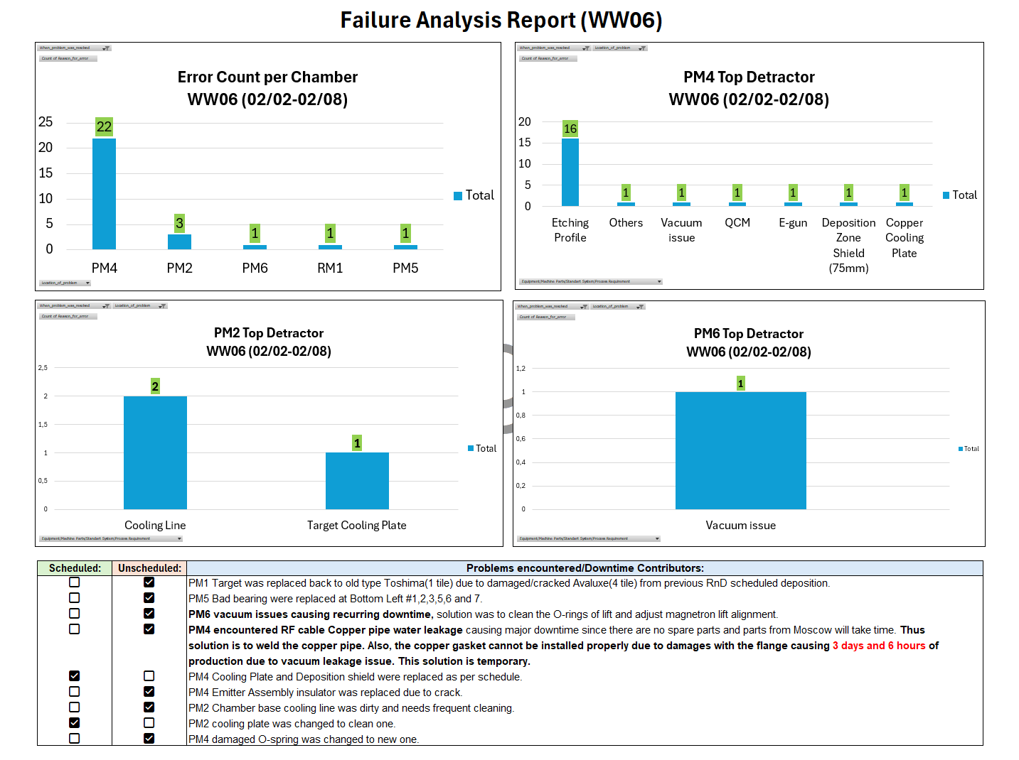



WW48-WW52
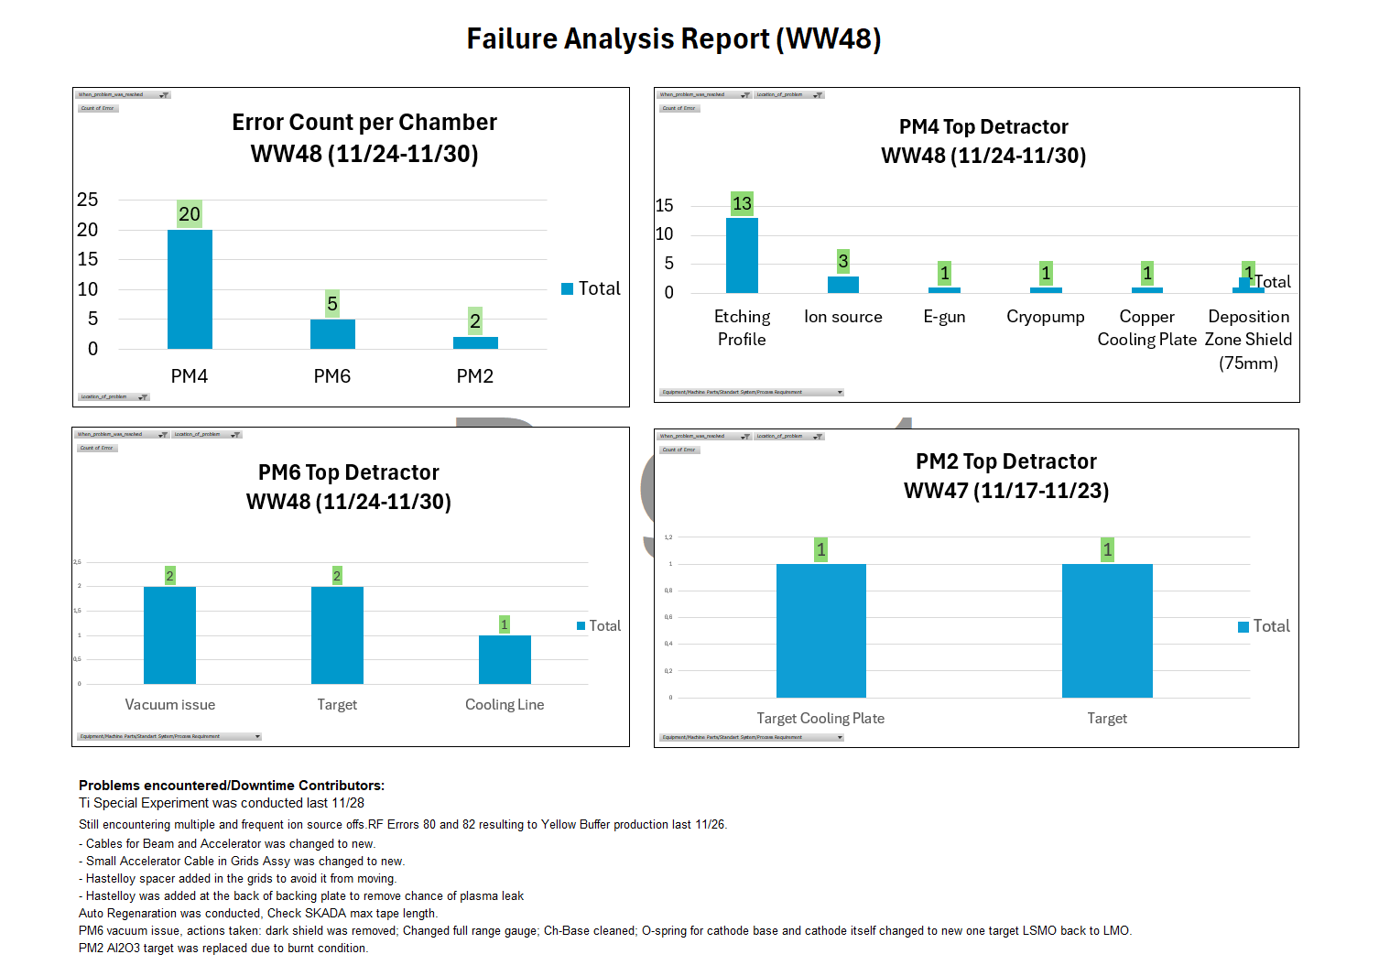

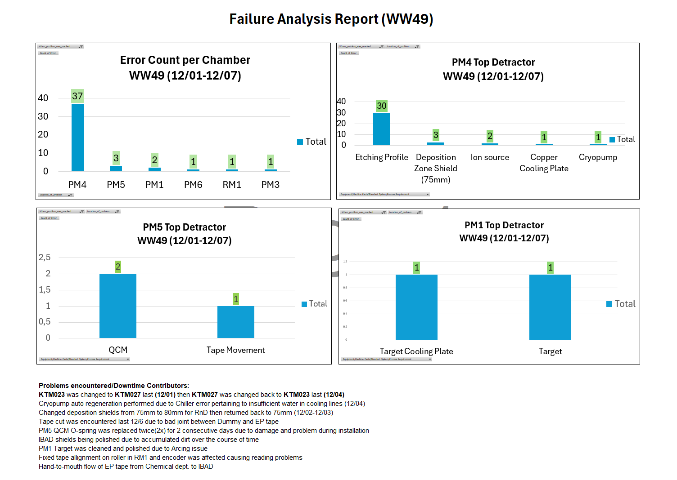

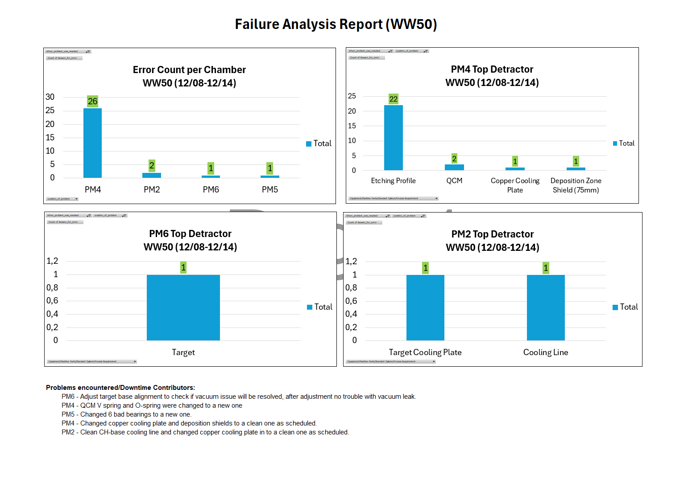

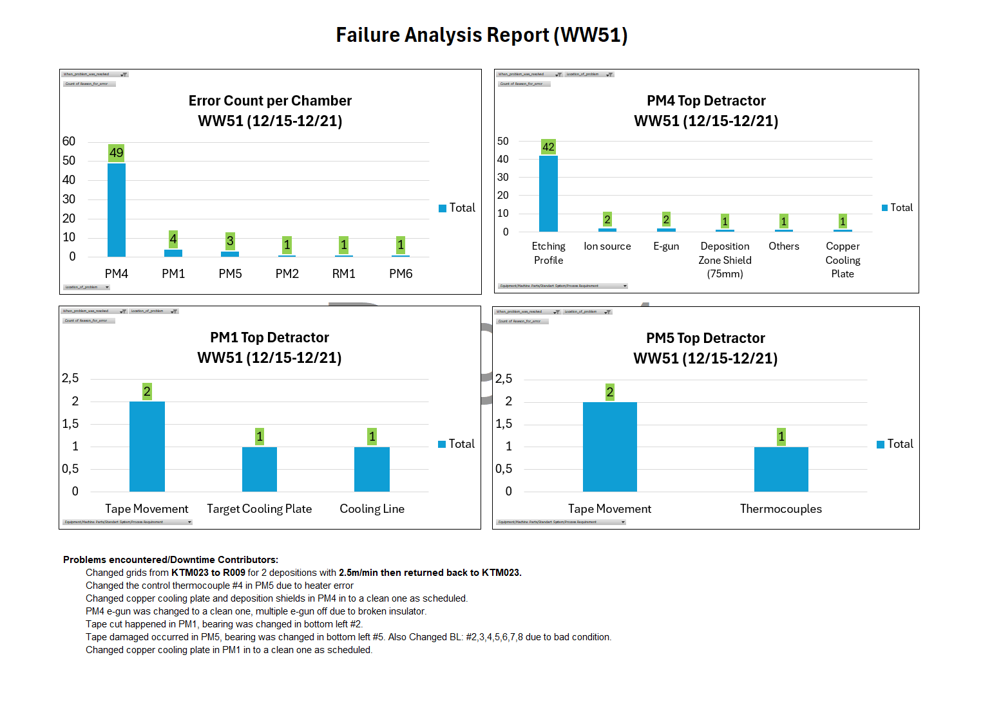

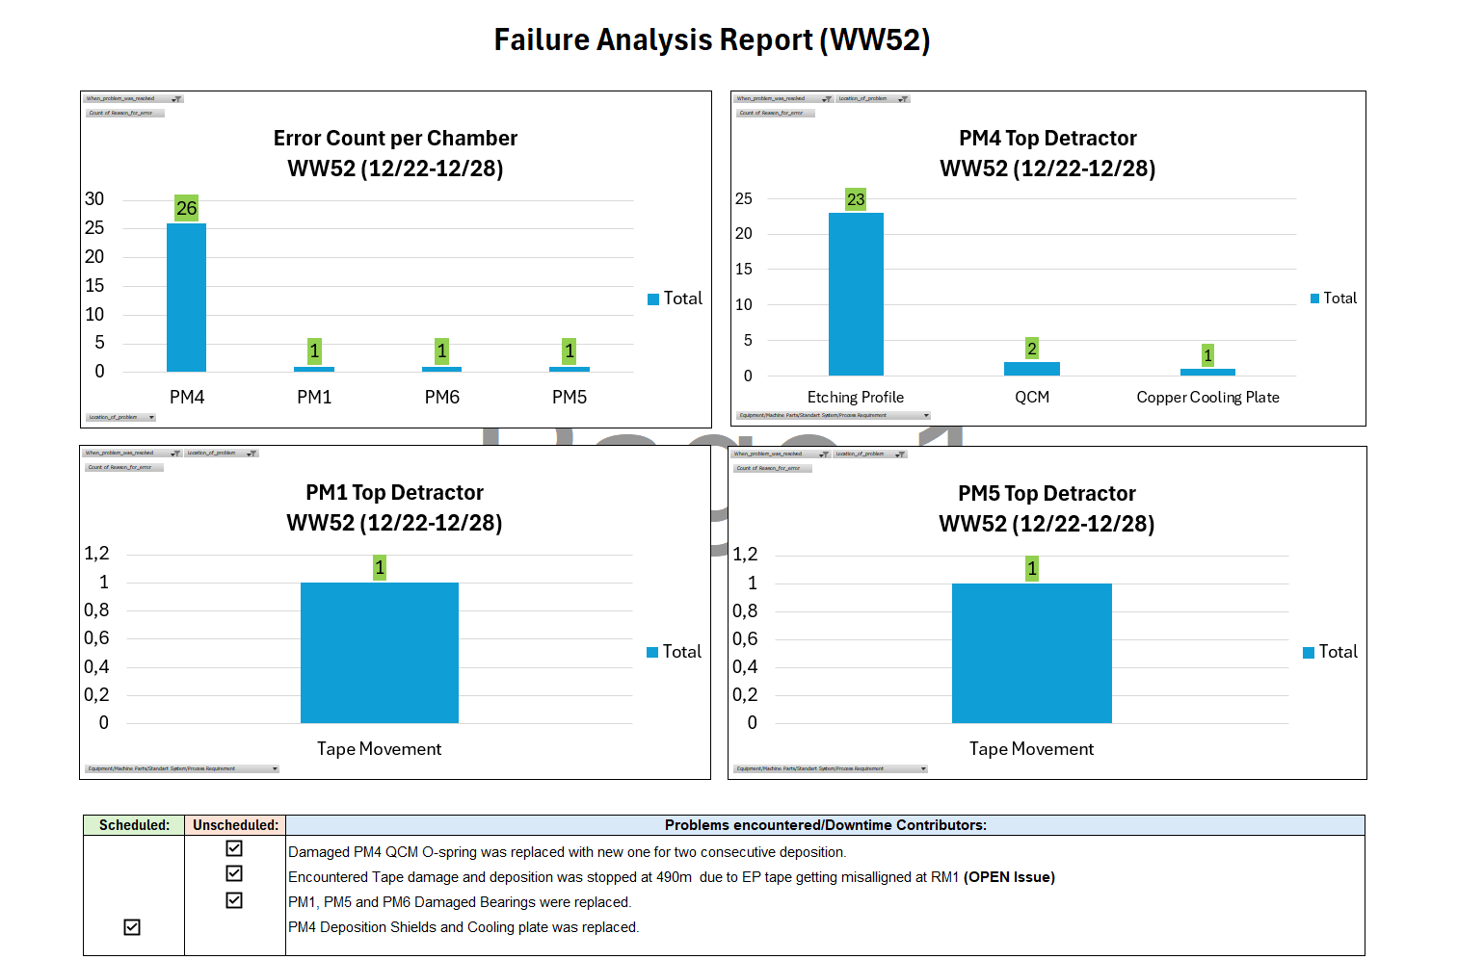

WW43-WW47
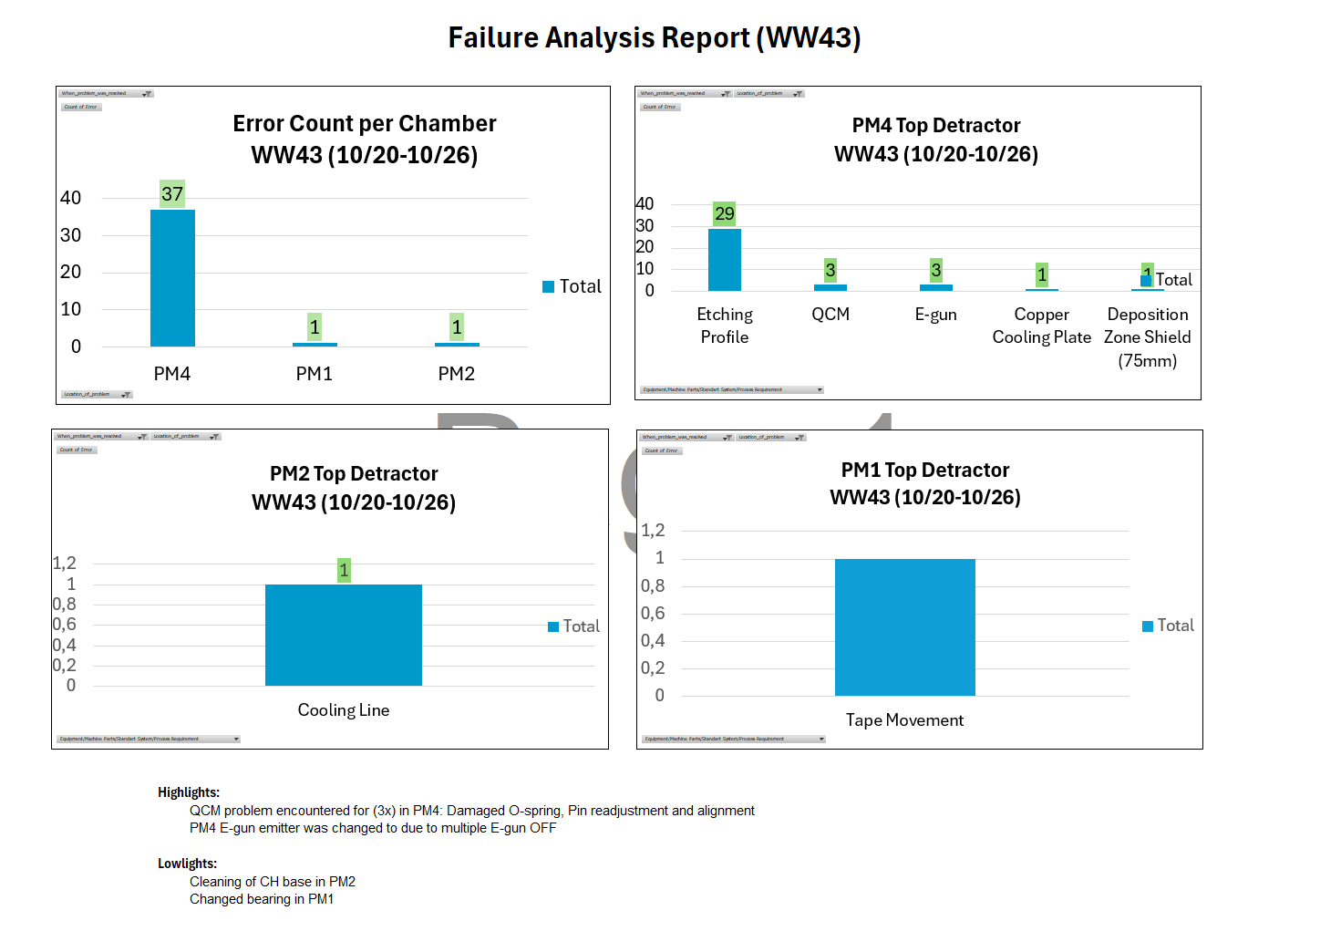

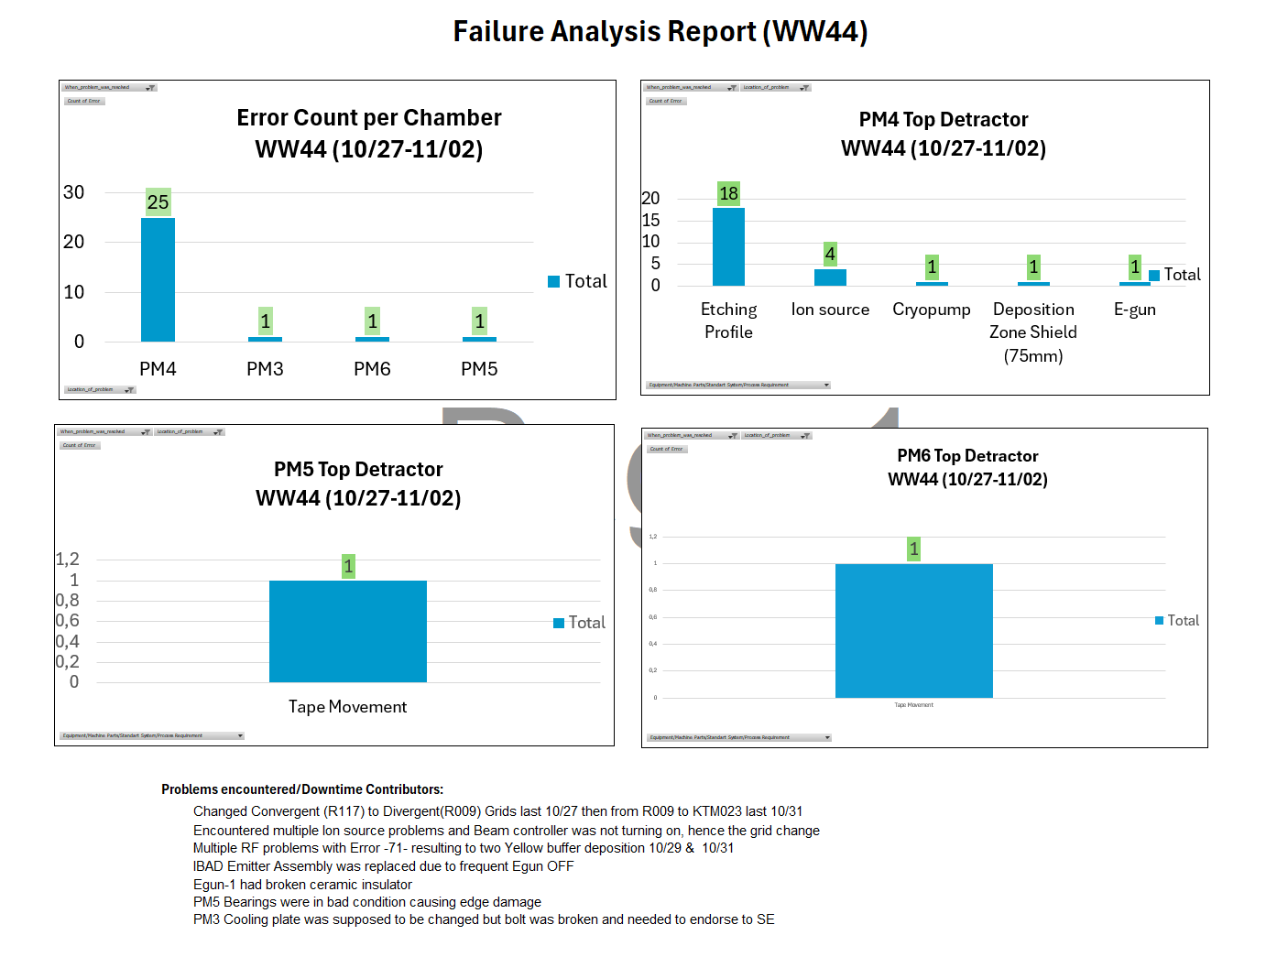

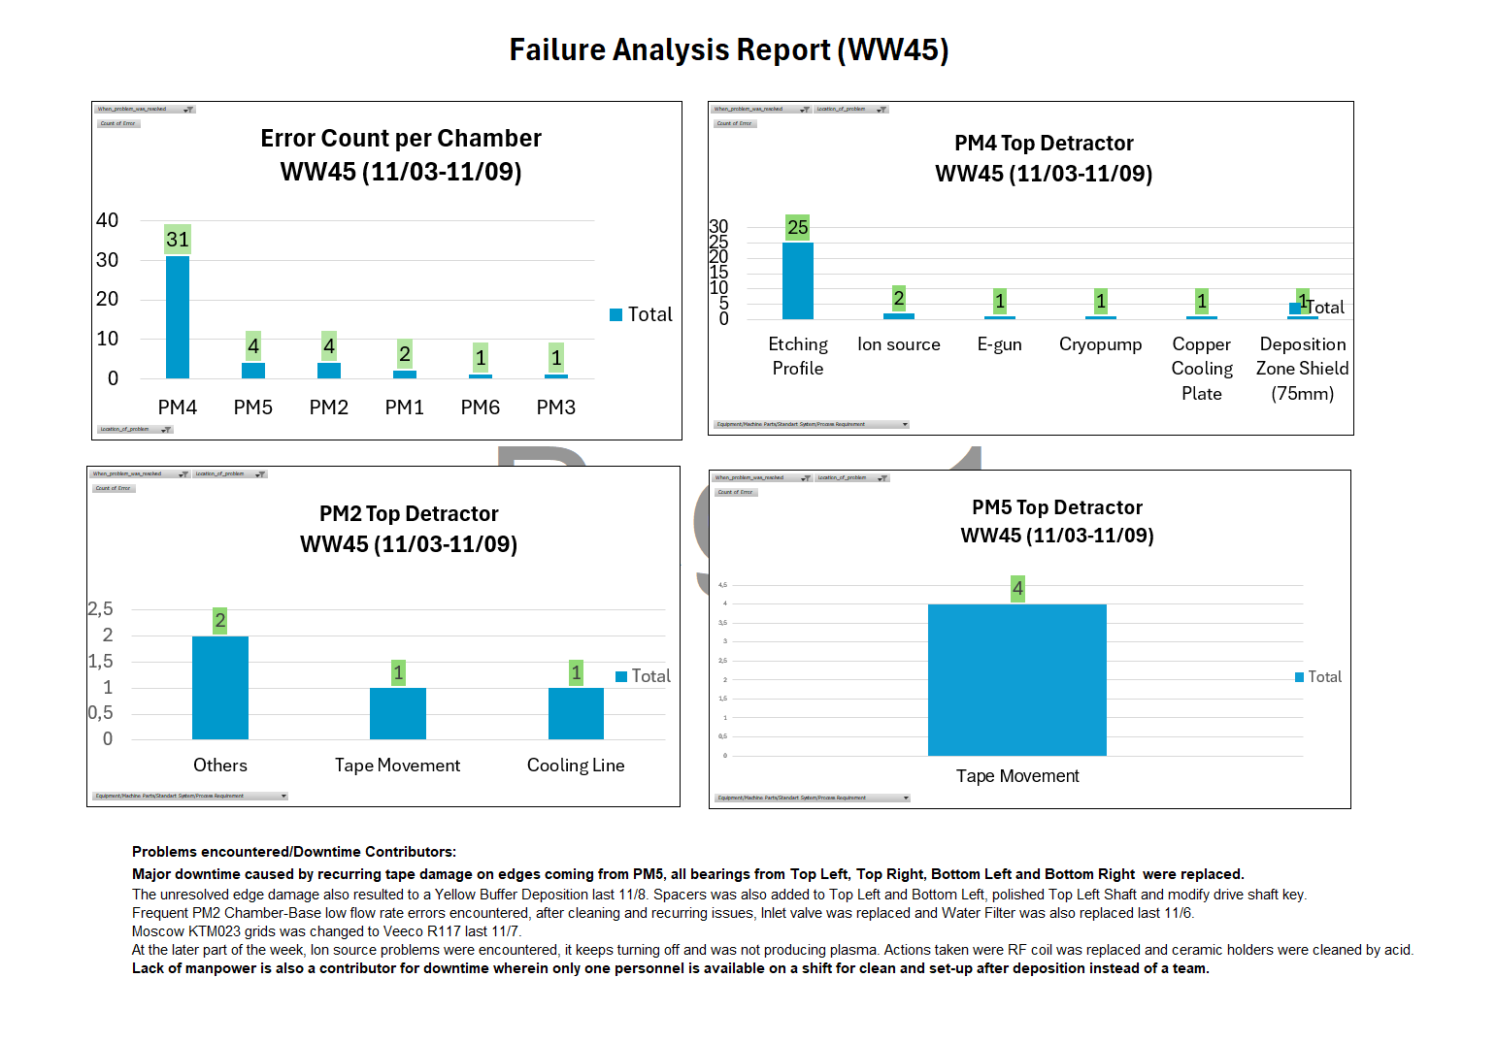

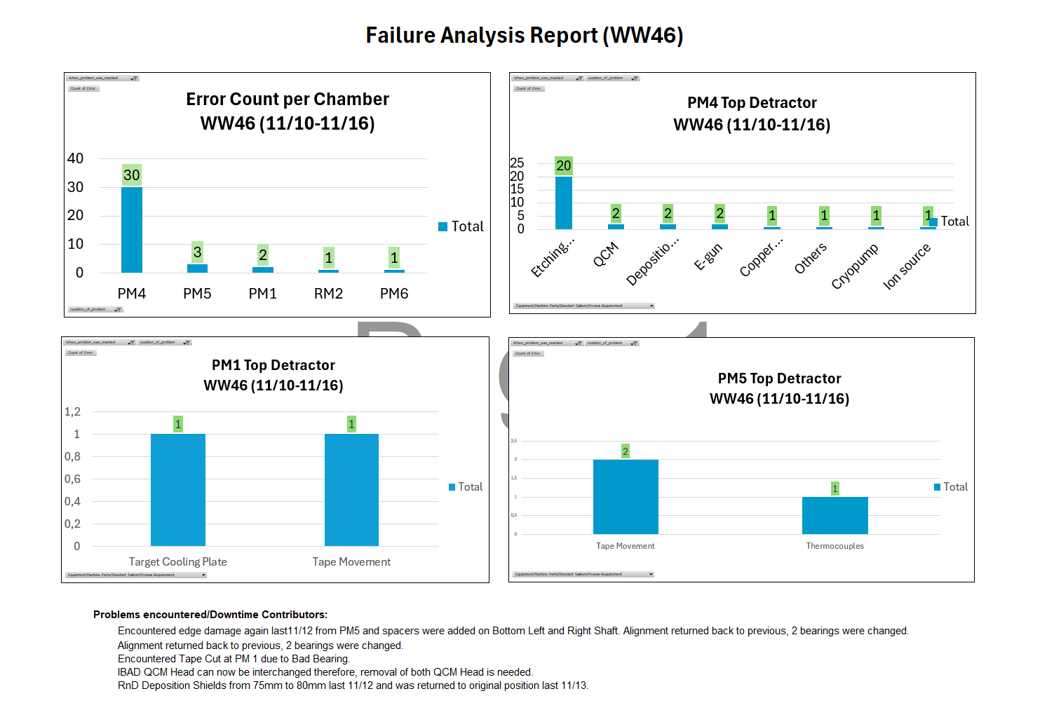

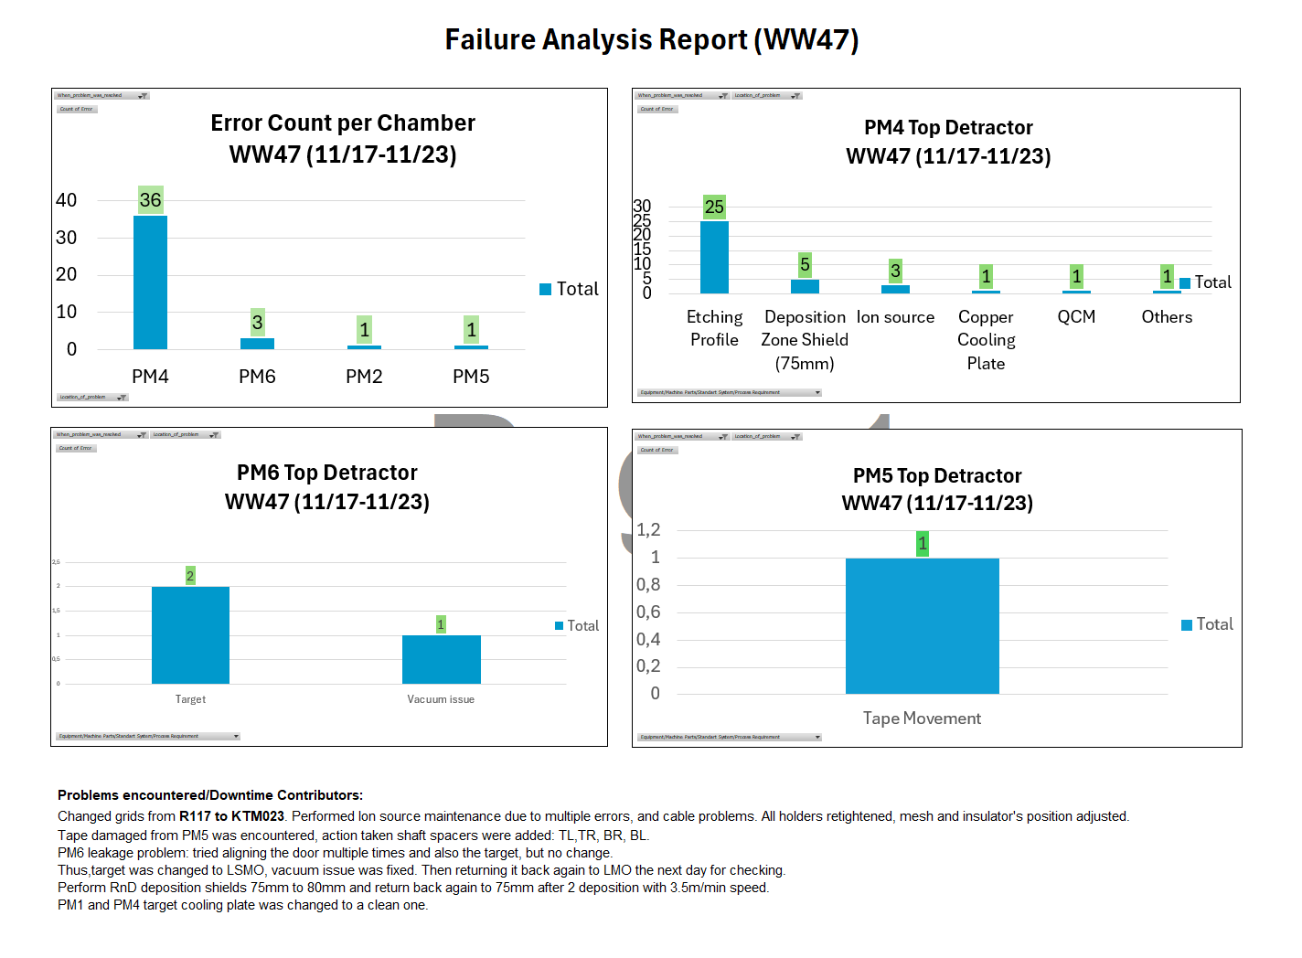

WW38-WW42
